novax
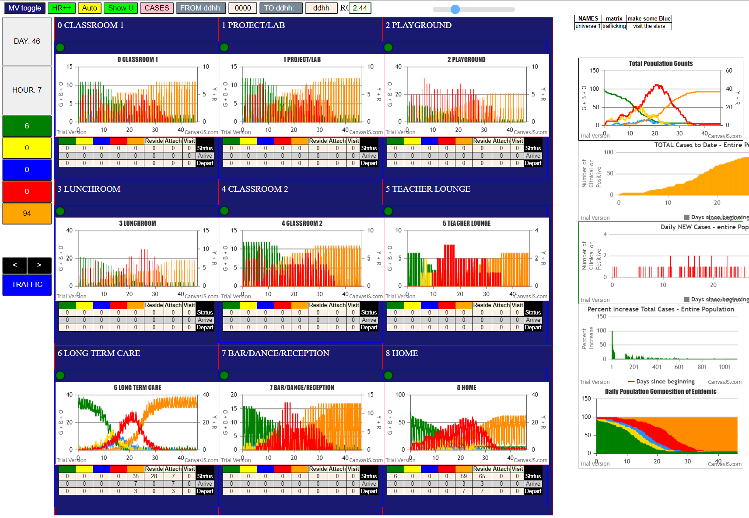
R0 = 2.44
File {name: "VL5.csv", lastModified: 1602824104000, lastModifiedDate: Thu Oct 15 2020 21:55:04 GMT-0700 (Pacific Daylight Time), webkitRelativePath: "", size: 144, …}
simulation.js:2052 5I i:famKey 3:F06 infected by red j:famKey 13:F06 at gen 3 in U8
simulation.js:2036 6I j:famKey 92:F03 infected by blue i:famKey 11:F03 at gen 8 in Univ8
simulation.js:2052 7I i:famKey 76:-1 infected by red j:famKey 12:F04 at gen 16 in U6 | Agent | F1 | inf BY | F2 | gen | @ |  |  | Agent | F1 | inf BY | F2 | gen | @
simulation.js:2036 7I j:famKey 15:F07 infected by red i:famKey 14:F07 at gen 17 in Univ8 | 3 | F06 | 13 | F06 | 3 | U8 |  |  | 16 | F16 | 11 | F03 | 63 | U0
simulation.js:2036 9I j:famKey 94:F07 infected by red i:famKey 14:F07 at gen 26 in Univ8 | 92 | F03 | 11 | F03 | 8 | U8 |  |  | 2 | F00 | 8 | F16 | 446 | U0
simulation.js:2036 10I j:famKey 17:F16 infected by red i:famKey 14:F07 at gen 35 in Univ1 | 76 | -1 | 12 | F04 | 16 | U6 |  |  | 17 | F16 | 14 | F07 | 35 | U1
simulation.js:2052 11I i:famKey 44:F06 infected by red j:famKey 13:F06 at gen 44 in U8 | 15 | F07 | 14 | F07 | 17 | U8 |  |  | 35 | F18 | 13 | F06 | 158 | U1
2simulation.js:2036 12I j:famKey 16:F16 infected by red i:famKey 11:F03 at gen 63 in Univ0 | 94 | F07 | 14 | F07 | 26 | U8 |  |  | 6 | F09 | 16 | F16 | 202 | U2
simulation.js:2052 13I i:famKey 4:F07 infected by red j:famKey 14:F07 at gen 68 in U8 | 17 | F16 | 14 | F07 | 35 | U1 |  |  | 5 | F08 | 16 | F16 | 298 | U2
simulation.js:2052 14I i:famKey 41:F02 infected by red j:famKey 10:F02 at gen 98 in U8 | 44 | F06 | 13 | F06 | 44 | U8 |  |  | 31 | F02 | 33 | F06 | 228 | U3
simulation.js:2036 15I j:famKey 87:-1 infected by blue i:famKey 76:-1 at gen 104 in Univ6 | 16 | F16 | 11 | F03 | 63 | U0 |  |  | 23 | F03 | 4 | F07 | 251 | U3
simulation.js:2036 16I j:famKey 58:F14 infected by blue i:famKey 76:-1 at gen 114 in Univ6 | 4 | F07 | 14 | F07 | 68 | U8 |  |  | 19 | F18 | 16 | F16 | 276 | U3
simulation.js:2036 16I j:famKey 33:F06 infected by red i:famKey 13:F06 at gen 115 in Univ8 | 41 | F02 | 10 | F02 | 98 | U8 |  |  | 26 | F08 | 6 | F09 | 347 | U3
simulation.js:2036 18I j:famKey 52:F07 infected by blue i:famKey 15:F07 at gen 119 in Univ8 | 87 | -1 | 76 | -1 | 104 | U6 | 1st 21 |  | 18 | F17 | 16 | F16 | 348 | U3
simulation.js:2036 19I j:famKey 53:F08 infected by blue i:famKey 76:-1 at gen 128 in Univ6 | 58 | F14 | 76 | -1 | 114 | U6 | u0 | 1 | 29 | F17 | 23 | F03 | 491 | U3
4simulation.js:2052 20I i:famKey 71:F18 infected by red j:famKey 76:-1 at gen 142 in U6 | 33 | F06 | 13 | F06 | 115 | U8 | u1 | 2 | 27 | F09 | 9 | F17 | 563 | U3
simulation.js:2036 21I j:famKey 57:F13 infected by red i:famKey 92:F03 at gen 156 in Univ7 | 52 | F07 | 15 | F07 | 119 | U8 | u6 | 6 | 9 | F17 | 4 | F07 | 325 | U4
simulation.js:2036 22I j:famKey 35:F18 infected by red i:famKey 13:F06 at gen 158 in Univ1 | 53 | F08 | 76 | -1 | 128 | U6 | u7 | 1 | 1 | F05 | 6 | F09 | 445 | U4
simulation.js:2052 23I i:famKey 45:F06 infected by red j:famKey 3:F06 at gen 160 in U8 | 71 | F18 | 76 | -1 | 142 | U6 | u8 | 10 | 76 | -1 | 12 | F04 | 16 | U6
simulation.js:2036 24I j:famKey 56:F12 infected by red i:famKey 76:-1 at gen 162 in Univ6 | 57 | F13 | 92 | F03 | 156 | U7 |  |  | 87 | -1 | 76 | -1 | 104 | U6
simulation.js:2052 24I i:famKey 63:F02 infected by red j:famKey 10:F02 at gen 162 in U6 | 35 | F18 | 13 | F06 | 158 | U1 |  |  | 58 | F14 | 76 | -1 | 114 | U6
simulation.js:2052 26I i:famKey 6:F09 infected by red j:famKey 16:F16 at gen 202 in U2 | 45 | F06 | 3 | F06 | 160 | U8 |  |  | 53 | F08 | 76 | -1 | 128 | U6
simulation.js:2036 27I j:famKey 37:F11 infected by red i:famKey 92:F03 at gen 204 in Univ7 | 56 | F12 | 76 | -1 | 162 | U6 | alll |  | 71 | F18 | 76 | -1 | 142 | U6
simulation.js:2036 28I j:famKey 55:F11 infected by blue i:famKey 87:-1 at gen 208 in Univ6 | 63 | F02 | 10 | F02 | 162 | U6 | u0 | 2 | 56 | F12 | 76 | -1 | 162 | U6
simulation.js:2052 28I i:famKey 69:F14 infected by red j:famKey 92:F03 at gen 209 in U6 | 6 | F09 | 16 | F16 | 202 | U2 | u1 | 2 | 63 | F02 | 10 | F02 | 162 | U6
simulation.js:2052 29I i:famKey 68:F14 infected by red j:famKey 10:F02 at gen 210 in U6 | 37 | F11 | 92 | F03 | 204 | U7 | u2 | 2 | 55 | F11 | 87 | -1 | 208 | U6
simulation.js:2052 30I i:famKey 79:-1 infected by blue j:famKey 87:-1 at gen 211 in U6 | 55 | F11 | 87 | -1 | 208 | U6 | u3 | 7 | 69 | F14 | 92 | F03 | 209 | U6
simulation.js:2052 32I i:famKey 31:F02 infected by blue j:famKey 33:F06 at gen 228 in U3 | 69 | F14 | 92 | F03 | 209 | U6 | u4 | 2 | 68 | F14 | 10 | F02 | 210 | U6
simulation.js:2036 33I j:famKey 96:F09 infected by red i:famKey 94:F07 at gen 230 in Univ7 | 68 | F14 | 10 | F02 | 210 | U6 | u6 | 46 | 79 | -1 | 87 | -1 | 211 | U6
simulation.js:2052 34I i:famKey 8:F16 infected by red j:famKey 16:F16 at gen 240 in U8 | 79 | -1 | 87 | -1 | 211 | U6 | u7 | 12 | 66 | F06 | 87 | -1 | 247 | U6
simulation.js:2036 35I j:famKey 66:F06 infected by red i:famKey 87:-1 at gen 247 in Univ6 | 31 | F02 | 33 | F06 | 228 | U3 | u8 | 15 | 67 | F13 | 76 | -1 | 248 | U6
simulation.js:2036 35I j:famKey 67:F13 infected by red i:famKey 76:-1 at gen 248 in Univ6 | 96 | F09 | 94 | F07 | 230 | U7 | ? | 1 | 54 | F09 | 53 | F08 | 248 | U6
simulation.js:2036 35I j:famKey 54:F09 infected by red i:famKey 53:F08 at gen 248 in Univ6 | 8 | F16 | 16 | F16 | 240 | U8 |  | 89 | 65 | F03 | 71 | F18 | 259 | U6
simulation.js:2036 38I j:famKey 23:F03 infected by red i:famKey 4:F07 at gen 251 in Univ3 | 66 | F06 | 87 | -1 | 247 | U6 | remain | 5 | 81 | -1 | 71 | F18 | 265 | U6
simulation.js:2036 39I j:famKey 65:F03 infected by blue i:famKey 71:F18 at gen 259 in Univ6 | 67 | F13 | 76 | -1 | 248 | U6 | initiall | 5 | 80 | -1 | 87 | -1 | 267 | U6
simulation.js:2036 40I j:famKey 93:F05 infected by red i:famKey 53:F08 at gen 262 in Univ7 | 54 | F09 | 53 | F08 | 248 | U6 |  | 99 | 86 | -1 | 63 | F02 | 268 | U6
2simulation.js:2036 41I j:famKey 81:-1 infected by blue i:famKey 71:F18 at gen 265 in Univ6 | 23 | F03 | 4 | F07 | 251 | U3 |  |  | 77 | -1 | 87 | -1 | 272 | U6
simulation.js:2052 42I i:famKey 80:-1 infected by red j:famKey 87:-1 at gen 267 in U6 | 65 | F03 | 71 | F18 | 259 | U6 |  |  | 75 | -1 | 52 | F07 | 273 | U6
simulation.js:2052 42I i:famKey 86:-1 infected by blue j:famKey 63:F02 at gen 268 in U6 | 93 | F05 | 53 | F08 | 262 | U7 |  |  | 64 | F03 | 87 | -1 | 279 | U6
simulation.js:2052 44I i:famKey 77:-1 infected by red j:famKey 87:-1 at gen 272 in U6 | 81 | -1 | 71 | F18 | 265 | U6 |  |  | 48 | F00 | 87 | -1 | 300 | U6
simulation.js:2052 44I i:famKey 75:-1 infected by red j:famKey 52:F07 at gen 273 in U6 | 80 | -1 | 87 | -1 | 267 | U6 |  |  | 83 | -1 | 57 | F13 | 304 | U6
simulation.js:2036 46I j:famKey 19:F18 infected by red i:famKey 16:F16 at gen 276 in Univ3 | 86 | -1 | 63 | F02 | 268 | U6 |  |  | 85 | -1 | 58 | F14 | 305 | U6
simulation.js:2036 47I j:famKey 64:F03 infected by red i:famKey 87:-1 at gen 279 in Univ6 | 77 | -1 | 87 | -1 | 272 | U6 |  |  | 84 | -1 | 69 | F14 | 306 | U6
simulation.js:2036 48I j:famKey 90:F00 infected by red i:famKey 53:F08 at gen 286 in Univ7 | 75 | -1 | 52 | F07 | 273 | U6 |  |  | 73 | -1 | 79 | -1 | 307 | U6
simulation.js:2052 49I i:famKey 5:F08 infected by red j:famKey 16:F16 at gen 298 in U2 | 19 | F18 | 16 | F16 | 276 | U3 |  |  | 72 | -1 | 53 | F08 | 319 | U6
simulation.js:2036 50I j:famKey 48:F00 infected by red i:famKey 87:-1 at gen 300 in Univ6 | 64 | F03 | 87 | -1 | 279 | U6 |  |  | 89 | -1 | 53 | F08 | 325 | U6
simulation.js:2052 50I i:famKey 91:F01 infected by red j:famKey 57:F13 at gen 300 in U7 | 90 | F00 | 53 | F08 | 286 | U7 |  |  | 46 | F10 | 52 | F07 | 325 | U6
simulation.js:2052 52I i:famKey 83:-1 infected by red j:famKey 57:F13 at gen 304 in U6 | 5 | F08 | 16 | F16 | 298 | U2 |  |  | 62 | F01 | 52 | F07 | 325 | U6
simulation.js:2052 52I i:famKey 85:-1 infected by red j:famKey 58:F14 at gen 305 in U6 | 48 | F00 | 87 | -1 | 300 | U6 |  |  | 21 | F01 | 6 | F09 | 329 | U6
simulation.js:2036 53I j:famKey 84:-1 infected by blue i:famKey 69:F14 at gen 306 in Univ6 | 91 | F01 | 57 | F13 | 300 | U7 |  |  | 88 | -1 | 52 | F07 | 343 | U6
simulation.js:2052 54I i:famKey 73:-1 infected by blue j:famKey 79:-1 at gen 307 in U6 | 83 | -1 | 57 | F13 | 304 | U6 |  |  | 74 | -1 | 67 | F13 | 347 | U6
simulation.js:2052 56I i:famKey 72:-1 infected by red j:famKey 53:F08 at gen 319 in U6 | 85 | -1 | 58 | F14 | 305 | U6 |  |  | 49 | F02 | 87 | -1 | 350 | U6
simulation.js:2036 57I j:famKey 9:F17 infected by red i:famKey 4:F07 at gen 325 in Univ4 | 84 | -1 | 69 | F14 | 306 | U6 |  |  | 32 | F05 | 87 | -1 | 354 | U6
simulation.js:2052 57I i:famKey 89:-1 infected by red j:famKey 53:F08 at gen 325 in U6 | 73 | -1 | 79 | -1 | 307 | U6 |  |  | 50 | F03 | 65 | F03 | 369 | U6
simulation.js:2036 57I j:famKey 46:F10 infected by red i:famKey 52:F07 at gen 325 in Univ6 | 72 | -1 | 53 | F08 | 319 | U6 |  |  | 78 | -1 | 71 | F18 | 372 | U6
simulation.js:2052 57I i:famKey 62:F01 infected by red j:famKey 52:F07 at gen 325 in U6 | 9 | F17 | 4 | F07 | 325 | U4 |  |  | 99 | F17 | 75 | -1 | 373 | U6
simulation.js:2036 61I j:famKey 21:F01 infected by red i:famKey 6:F09 at gen 329 in Univ6 | 89 | -1 | 53 | F08 | 325 | U6 |  |  | 82 | -1 | 69 | F14 | 396 | U6
simulation.js:2052 62I i:famKey 88:-1 infected by red j:famKey 52:F07 at gen 343 in U6 | 46 | F10 | 52 | F07 | 325 | U6 |  |  | 61 | F17 | 63 | F02 | 409 | U6
simulation.js:2036 62I j:famKey 25:F06 infected by red i:famKey 45:F06 at gen 343 in Univ8 | 62 | F01 | 52 | F07 | 325 | U6 |  |  | 95 | F08 | 75 | -1 | 417 | U6
simulation.js:2036 64I j:famKey 26:F08 infected by red i:famKey 6:F09 at gen 347 in Univ3 | 21 | F01 | 6 | F09 | 329 | U6 |  |  | 70 | F15 | 63 | F02 | 418 | U6
simulation.js:2052 64I i:famKey 74:-1 infected by blue j:famKey 67:F13 at gen 347 in U6 | 88 | -1 | 52 | F07 | 343 | U6 |  |  | 30 | F01 | 93 | F05 | 425 | U6
simulation.js:2036 64I j:famKey 18:F17 infected by red i:famKey 16:F16 at gen 348 in Univ3 | 25 | F06 | 45 | F06 | 343 | U8 |  |  | 51 | F06 | 80 | -1 | 444 | U6
simulation.js:2036 67I j:famKey 49:F02 infected by red i:famKey 87:-1 at gen 350 in Univ6 | 26 | F08 | 6 | F09 | 347 | U3 |  |  | 59 | F15 | 77 | -1 | 455 | U6
simulation.js:2036 68I j:famKey 32:F05 infected by red i:famKey 87:-1 at gen 354 in Univ6 | 74 | -1 | 67 | F13 | 347 | U6 |  |  | 60 | F16 | 86 | -1 | 461 | U6
simulation.js:2036 69I j:famKey 50:F03 infected by blue i:famKey 65:F03 at gen 369 in Univ6 | 18 | F17 | 16 | F16 | 348 | U3 |  |  | 57 | F13 | 92 | F03 | 156 | U7
simulation.js:2036 70I j:famKey 78:-1 infected by red i:famKey 71:F18 at gen 372 in Univ6 | 49 | F02 | 87 | -1 | 350 | U6 |  |  | 37 | F11 | 92 | F03 | 204 | U7
simulation.js:2036 70I j:famKey 99:F17 infected by blue i:famKey 75:-1 at gen 373 in Univ6 | 32 | F05 | 87 | -1 | 354 | U6 |  |  | 96 | F09 | 94 | F07 | 230 | U7
simulation.js:2052 72I i:famKey 38:F12 infected by red j:famKey 57:F13 at gen 394 in U7 | 50 | F03 | 65 | F03 | 369 | U6 |  |  | 93 | F05 | 53 | F08 | 262 | U7
simulation.js:2036 73I j:famKey 82:-1 infected by red i:famKey 69:F14 at gen 396 in Univ6 | 78 | -1 | 71 | F18 | 372 | U6 |  |  | 90 | F00 | 53 | F08 | 286 | U7
simulation.js:2052 73I i:famKey 36:F10 infected by red j:famKey 67:F13 at gen 396 in U7 | 99 | F17 | 75 | -1 | 373 | U6 |  |  | 91 | F01 | 57 | F13 | 300 | U7
simulation.js:2036 75I j:famKey 61:F17 infected by red i:famKey 63:F02 at gen 409 in Univ6 | 38 | F12 | 57 | F13 | 394 | U7 |  |  | 38 | F12 | 57 | F13 | 394 | U7
simulation.js:2036 76I j:famKey 95:F08 infected by red i:famKey 75:-1 at gen 417 in Univ6 | 82 | -1 | 69 | F14 | 396 | U6 |  |  | 36 | F10 | 67 | F13 | 396 | U7
simulation.js:2052 76I i:famKey 70:F15 infected by red j:famKey 63:F02 at gen 418 in U6 | 36 | F10 | 67 | F13 | 396 | U7 |  |  | 39 | F13 | 99 | F17 | 473 | U7
simulation.js:2036 78I j:famKey 28:F10 infected by blue i:famKey 46:F10 at gen 424 in Univ8 | 61 | F17 | 63 | F02 | 409 | U6 |  |  | 97 | F10 | 99 | F17 | 476 | U7
simulation.js:2052 78I i:famKey 30:F01 infected by red j:famKey 93:F05 at gen 425 in U6 | 95 | F08 | 75 | -1 | 417 | U6 |  |  | 98 | F16 | 49 | F02 | 545 | U7
simulation.js:2036 80I j:famKey 51:F06 infected by red i:famKey 80:-1 at gen 444 in Univ6 | 70 | F15 | 63 | F02 | 418 | U6 |  |  | 34 | F15 | 61 | F17 | 550 | U7
simulation.js:2052 80I i:famKey 1:F05 infected by red j:famKey 6:F09 at gen 445 in U4 | 28 | F10 | 46 | F10 | 424 | U8 |  |  | 3 | F06 | 13 | F06 | 3 | U8
2simulation.js:2052 81I i:famKey 2:F00 infected by red j:famKey 8:F16 at gen 446 in U0 | 30 | F01 | 93 | F05 | 425 | U6 |  |  | 92 | F03 | 11 | F03 | 8 | U8
simulation.js:2036 83I j:famKey 59:F15 infected by red i:famKey 77:-1 at gen 455 in Univ6 | 51 | F06 | 80 | -1 | 444 | U6 |  |  | 15 | F07 | 14 | F07 | 17 | U8
simulation.js:2036 84I j:famKey 60:F16 infected by red i:famKey 86:-1 at gen 461 in Univ6 | 1 | F05 | 6 | F09 | 445 | U4 |  |  | 94 | F07 | 14 | F07 | 26 | U8
simulation.js:2036 85I j:famKey 7:F10 infected by red i:famKey 46:F10 at gen 464 in Univ8 | 2 | F00 | 8 | F16 | 446 | U0 |  |  | 44 | F06 | 13 | F06 | 44 | U8
simulation.js:2052 86I i:famKey 39:F13 infected by blue j:famKey 99:F17 at gen 473 in U7 | 59 | F15 | 77 | -1 | 455 | U6 |  |  | 4 | F07 | 14 | F07 | 68 | U8
simulation.js:2052 87I i:famKey 97:F10 infected by blue j:famKey 99:F17 at gen 476 in U7 | 60 | F16 | 86 | -1 | 461 | U6 |  |  | 41 | F02 | 10 | F02 | 98 | U8
simulation.js:2036 88I j:famKey 29:F17 infected by red i:famKey 23:F03 at gen 491 in Univ3 | 7 | F10 | 46 | F10 | 464 | U8 |  |  | 33 | F06 | 13 | F06 | 115 | U8
simulation.js:2052 89I i:famKey 24:F05 infected by red j:famKey 93:F05 at gen 504 in U8 | 39 | F13 | 99 | F17 | 473 | U7 |  |  | 52 | F07 | 15 | F07 | 119 | U8
simulation.js:2036 90I j:famKey 98:F16 infected by red i:famKey 49:F02 at gen 545 in Univ7 | 97 | F10 | 99 | F17 | 476 | U7 |  |  | 45 | F06 | 3 | F06 | 160 | U8
simulation.js:2052 91I i:famKey 34:F15 infected by red j:famKey 61:F17 at gen 550 in U7 | 29 | F17 | 23 | F03 | 491 | U3 |  |  | 8 | F16 | 16 | F16 | 240 | U8
simulation.js:2036 92I j:famKey 27:F09 infected by red i:famKey 9:F17 at gen 563 in Univ3 | 24 | F05 | 93 | F05 | 504 | U8 |  |  | 25 | F06 | 45 | F06 | 343 | U8
simulation.js:2052 93I i:famKey 47:F15 infected by red j:famKey 34:F15 at gen | 98 | F16 | 49 | F02 | 545 | U7 |  |  | 28 | F10 | 46 | F10 | 424 | U8
 | 34 | F15 | 61 | F17 | 550 | U7 |  |  | 7 | F10 | 46 | F10 | 464 | U8
 | 27 | F09 | 9 | F17 | 563 | U3 |  |  | 24 | F05 | 93 | F05 | 504 | U8
 | 47 | F15 | 34 | F15 |  |  |  |  | 47 | F15 | 34 | F15 |  | 15

HD06-12-18-24
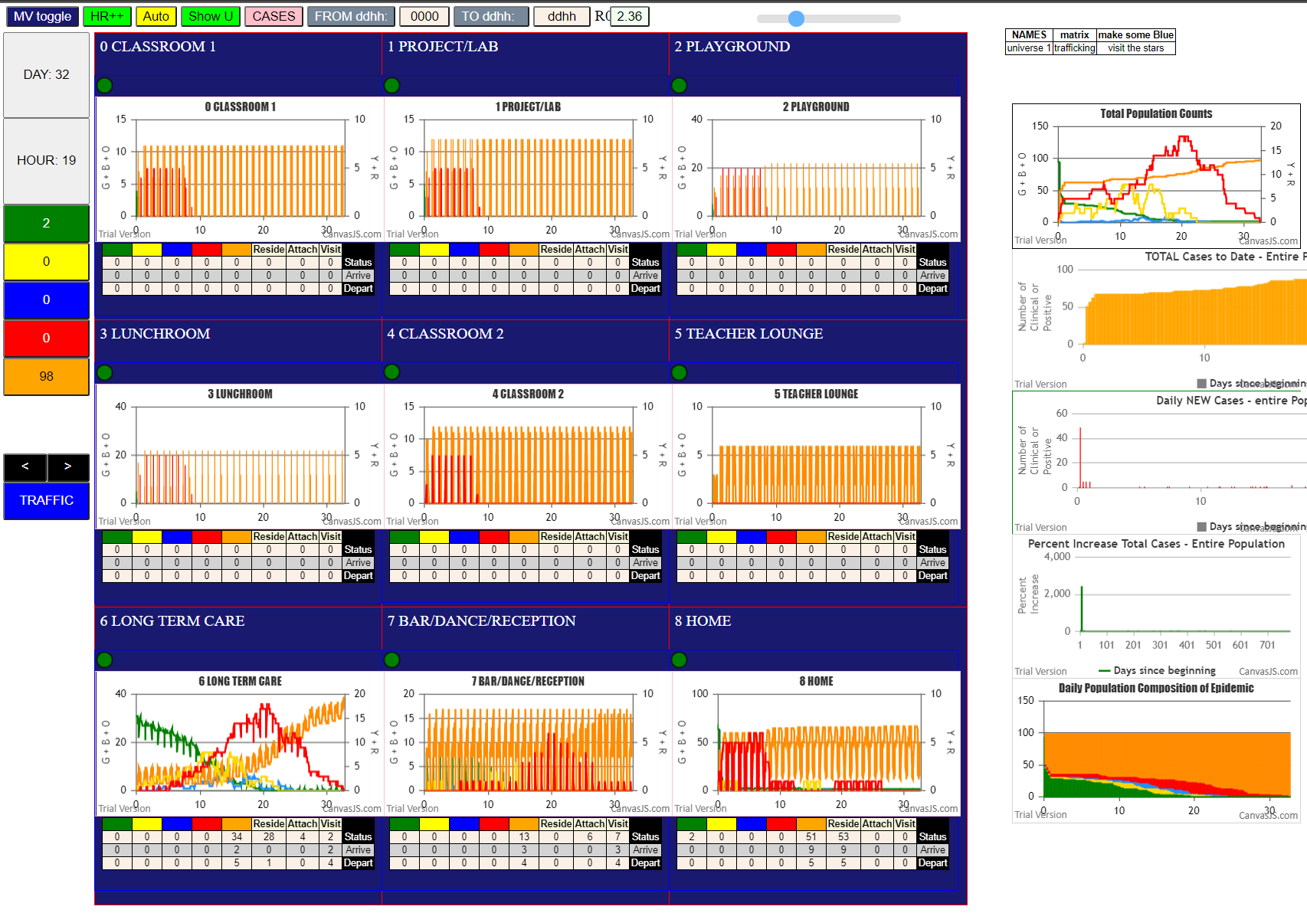
File {name: "VL5.csv", lastModified: 1602824104000, lastModifiedDate: Thu Oct 15 2020 21:55:04 GMT-0700 (Pacific Daylight Time), webkitRelativePath: "", size: 144, …}
simulation.js:1638 69
simulation.js:1639 (69) [0, 1, 2, 3, 4, 5, 6, 7, 8, 9, 10, 11, 12, 13, 14, 15, 16, 17, 18, 19, 20, 21, 22, 23, 24, 25, 26, 27, 28, 29, 30, 31, 32, 33, 34, 35, 36, 37, 38, 39, 40, 41, 42, 43, 44, 45, 46, 47, 48, 49, 50, 51, 52, 53, 54, 55, 56, 57, 58, 90, 91, 92, 93, 94, 95, 96, 97, 98, 99]
simulation.js:1649 (64) [0, 1, 2, 3, 4, 5, 6, 7, 8, 9, 15, 16, 17, 18, 19, 20, 21, 22, 23, 24, 25, 26, 27, 28, 29, 30, 31, 32, 33, 34, 35, 36, 37, 38, 39, 40, 41, 42, 43, 44, 45, 46, 47, 48, 49, 50, 51, 52, 53, 54, 55, 56, 57, 58, 90, 91, 92, 93, 94, 95, 96, 97, 98, 99]
simulation.js:1654 Vaccination list = 24
simulation.js:2052 29I i:famKey 1:F05 infected by red j:famKey 12:F04 at gen 10 in U2
simulation.js:1638 14
simulation.js:1639 (14) [45, 46, 47, 59, 60, 61, 95, 40, 96, 42, 43, 44, 97, 99]
simulation.js:1649 (11) [46, 47, 59, 60, 61, 95, 40, 42, 44, 97, 99]
simulation.js:1654 Vaccination list = 3
simulation.js:1638 49
simulation.js:1639 (49) [42, 43, 44, 38, 41, 45, 37, 46, 52, 53, 54, 0, 2, 3, 4, 7, 8, 9, 11, 13, 14, 15, 16, 17, 18, 19, 20, 22, 23, 24, 25, 26, 28, 29, 36, 12, 47, 59, 60, 61, 91, 5, 6, 21, 27, 30, 33, 92, 93]
simulation.js:1649 (27) [42, 44, 37, 46, 52, 53, 54, 0, 3, 4, 7, 8, 9, 15, 17, 19, 20, 23, 24, 25, 28, 29, 36, 47, 30, 33, 92]
simulation.js:1654 Vaccination list = 9
simulation.js:1638 69
simulation.js:1639 (69) [42, 43, 44, 38, 41, 45, 37, 46, 0, 2, 3, 4, 7, 8, 9, 11, 13, 14, 15, 16, 17, 18, 19, 20, 22, 23, 24, 25, 26, 28, 29, 36, 47, 5, 6, 21, 27, 1, 10, 39, 40, 12, 48, 49, 50, 51, 30, 31, 32, 33, 34, 35, 52, 53, 54, 55, 56, 57, 58, 90, 91, 92, 93, 94, 95, 96, 97, 98, 99]
simulation.js:1649 (30) [42, 44, 46, 0, 8, 9, 15, 17, 20, 23, 24, 36, 47, 39, 40, 48, 50, 51, 30, 33, 34, 52, 53, 54, 56, 90, 94, 95, 97, 99]
simulation.js:1654 Vaccination list = 11
simulation.js:2036 53I j:famKey 33:F06 infected by red i:famKey 13:F06 at gen 70 in Univ8
simulation.js:2036 54I j:famKey 94:F07 infected by red i:famKey 14:F07 at gen 72 in Univ8
simulation.js:2052 55I i:famKey 84:-1 infected by red j:famKey 12:F04 at gen 88 in U6
simulation.js:2036 56I j:famKey 15:F07 infected by red i:famKey 14:F07 at gen 90 in Univ8
simulation.js:2052 57I i:famKey 72:-1 infected by red j:famKey 12:F04 at gen 115 in U6
simulation.js:2052 57I i:famKey 79:-1 infected by red j:famKey 12:F04 at gen 115 in U6
simulation.js:2052 59I i:famKey 52:F07 infected by red j:famKey 14:F07 at gen 184 in U8
simulation.js:2052 60I i:famKey 78:-1 infected by red j:famKey 84:-1 at gen 205 in U6
simulation.js:2036 61I j:famKey 48:F00 infected by blue i:famKey 79:-1 at gen 227 in Univ6
simulation.js:2052 62I i:famKey 62:F01 infected by blue j:famKey 79:-1 at gen 235 in U6
simulation.js:2036 63I j:famKey 97:F10 infected by red i:famKey 94:F07 at gen 237 in Univ7
simulation.js:2052 64I i:famKey 51:F06 infected by red j:famKey 94:F07 at gen 257 in U7
simulation.js:2036 65I j:famKey 65:F03 infected by red i:famKey 72:-1 at gen 282 in Univ6
simulation.js:2052 66I i:famKey 77:-1 infected by blue j:famKey 52:F07 at gen 296 in U6
simulation.js:2036 67I j:famKey 66:F06 infected by red i:famKey 72:-1 at gen 303 in Univ6
simulation.js:2052 68I i:famKey 73:-1 infected by blue j:famKey 78:-1 at gen 305 in U6
simulation.js:2036 69I j:famKey 63:F02 infected by red i:famKey 79:-1 at gen 308 in Univ6
simulation.js:2036 70I j:famKey 75:-1 infected by blue i:famKey 62:F01 at gen 332 in Univ6
simulation.js:2036 70I j:famKey 30:F01 infected by red i:famKey 52:F07 at gen 333 in Univ7
simulation.js:2052 72I i:famKey 81:-1 infected by red j:famKey 84:-1 at gen 337 in U6
simulation.js:2052 73I i:famKey 70:F15 infected by red j:famKey 84:-1 at gen 341 in U6
simulation.js:2036 74I j:famKey 71:F18 infected by blue i:famKey 62:F01 at gen 345 in Univ6
simulation.js:2036 74I j:famKey 54:F09 infected by red i:famKey 79:-1 at gen 345 in Univ6
simulation.js:2036 76I j:famKey 64:F03 infected by red i:famKey 72:-1 at gen 351 in Univ6
simulation.js:2036 77I j:famKey 86:-1 infected by red i:famKey 78:-1 at gen 361 in Univ6
simulation.js:2052 78I i:famKey 88:-1 infected by blue j:famKey 51:F06 at gen 367 in U6
simulation.js:2052 78I i:famKey 67:F13 infected by blue j:famKey 51:F06 at gen 368 in U6
simulation.js:2036 80I j:famKey 95:F08 infected by red i:famKey 94:F07 at gen 381 in Univ7
simulation.js:2036 81I j:famKey 80:-1 infected by blue i:famKey 77:-1 at gen 387 in Univ6
simulation.js:2052 82I i:famKey 87:-1 infected by red j:famKey 48:F00 at gen 393 in U6
simulation.js:2052 83I i:famKey 83:-1 infected by blue j:famKey 65:F03 at gen 395 in U6
simulation.js:2036 84I j:famKey 69:F14 infected by red i:famKey 62:F01 at gen 400 in Univ6
simulation.js:2036 85I j:famKey 99:F17 infected by red i:famKey 97:F10 at gen 406 in Univ7
simulation.js:2052 86I i:famKey 74:-1 infected by blue j:famKey 66:F06 at gen 416 in U6
simulation.js:2036 87I j:famKey 85:-1 infected by red i:famKey 62:F01 at gen 426 in Univ6
simulation.js:2052 88I i:famKey 40:F14 infected by red j:famKey 48:F00 at gen 449 in U7
simulation.js:2052 89I i:famKey 53:F08 infected by blue j:famKey 54:F09 at gen 466 in U6
simulation.js:2052 89I i:famKey 68:F14 infected by red j:famKey 97:F10 at gen 467 in U6
simulation.js:2052 91I i:famKey 76:-1 infected by blue j:famKey 80:-1 at gen 487 in U6
simulation.js:2052 92I i:famKey 89:-1 infected by red j:famKey 54:F09 at gen 490 in U6
simulation.js:2036 93I j:famKey 82:-1 infected by red i:famKey 81:-1 at gen 495 in Univ6

 |  | Agent | F1 | inf BY | F2 | gen | @
 | File {name: "VL5.csv", lastModified: 1602824104000, lastModifiedDate: Thu Oct 15 2020 21:55:04 GMT-0700 (Pacific Daylight Time), webkitRelativePath: "", size: 144, …} | 51 | F06 | 13 | F06 | 5 | U8
 | simulation.js:2036 5I j:famKey 51:F06 infected by red i:famKey 13:F06 at gen 5 in Univ8 | 73 | -1 | 12 | F04 | 16 | U6
 | simulation.js:1638 69 | 89 | -1 | 12 | F04 | 64 | U6
 | simulation.js:1639 (69) [0, 1, 2, 3, 4, 5, 6, 7, 8, 9, 10, 11, 12, 13, 14, 15, 16, 17, 18, 19, 20, 21, 22, 23, 24, 25, 26, 27, 28, 29, 30, 31, 32, 33, 34, 35, 36, 37, 38, 39, 40, 41, 42, 43, 44, 45, 46, 47, 48, 49, 50, 51, 52, 53, 54, 55, 56, 57, 58, 90, 91, 92, 93, 94, 95, 96, 97, 98, 99] | 70 | F15 | 12 | F04 | 67 | U6
 | simulation.js:1649 (63) [0, 1, 2, 3, 4, 5, 6, 7, 8, 9, 15, 16, 17, 18, 19, 20, 21, 22, 23, 24, 25, 26, 27, 28, 29, 30, 31, 32, 33, 34, 35, 36, 37, 38, 39, 40, 41, 42, 43, 44, 45, 46, 47, 48, 49, 50, 52, 53, 54, 55, 56, 57, 58, 90, 91, 92, 93, 94, 95, 96, 97, 98, 99] | 87 | -1 | 51 | F06 | 104 | U6
 | simulation.js:1654 Vaccination list = 49 | 71 | F18 | 10 | F02 | 138 | U6
 | simulation.js:1638 14 | 82 | -1 | 73 | -1 | 152 | U6
 | simulation.js:1639 (14) [45, 46, 47, 59, 60, 61, 95, 40, 96, 42, 43, 44, 97, 99] | 79 | -1 | 51 | F06 | 158 | U6
 | simulation.js:1649 (6) [47, 59, 60, 61, 42, 43] | 85 | -1 | 87 | -1 | 186 | U6
 | simulation.js:1654 Vaccination list = 4 | 64 | F03 | 73 | -1 | 189 | U6
 | simulation.js:2052 59I i:famKey 73:-1 infected by red j:famKey 12:F04 at gen 16 in U6 | 78 | -1 | 70 | F15 | 223 | U6
 | simulation.js:1638 49 | 86 | -1 | 70 | F15 | 225 | U6
 | simulation.js:1639 (49) [42, 43, 44, 38, 41, 45, 37, 46, 52, 53, 54, 0, 2, 3, 4, 7, 8, 9, 11, 13, 14, 15, 16, 17, 18, 19, 20, 22, 23, 24, 25, 26, 28, 29, 36, 12, 47, 59, 60, 61, 91, 5, 6, 21, 27, 30, 33, 92, 93] | 81 | -1 | 73 | -1 | 229 | U6
 | simulation.js:1649 (8) [43, 3, 9, 16, 18, 26, 47, 30] | 63 | F02 | 71 | F18 | 235 | U6
 | simulation.js:1654 Vaccination list = 5 | 84 | -1 | 82 | -1 | 244 | U6
 | simulation.js:1638 69 | 77 | -1 | 89 | -1 | 247 | U6
 | simulation.js:1639 (69) [42, 43, 44, 38, 41, 45, 37, 46, 0, 2, 3, 4, 7, 8, 9, 11, 13, 14, 15, 16, 17, 18, 19, 20, 22, 23, 24, 25, 26, 28, 29, 36, 47, 5, 6, 21, 27, 1, 10, 39, 40, 12, 48, 49, 50, 51, 30, 31, 32, 33, 34, 35, 52, 53, 54, 55, 56, 57, 58, 90, 91, 92, 93, 94, 95, 96, 97, 98, 99] | 76 | -1 | 73 | -1 | 250 | U6
 | simulation.js:1649 (8) [43, 26, 47, 1, 32, 34, 56, 57] | 66 | F06 | 71 | F18 | 257 | U6
 | simulation.js:1654 Vaccination list = 5 | 62 | F01 | 71 | F18 | 302 | U6
 | simulation.js:2052 70I i:famKey 89:-1 infected by red j:famKey 12:F04 at gen 64 in U6 | 67 | F13 | 89 | -1 | 305 | U6
 | simulation.js:2052 71I i:famKey 70:F15 infected by red j:famKey 12:F04 at gen 67 in U6 | 83 | -1 | 86 | -1 | 331 | U6
 | simulation.js:2052 72I i:famKey 87:-1 infected by blue j:famKey 51:F06 at gen 104 in U6 | 56 | F12 | 86 | -1 | 333 | U6
 | simulation.js:2052 73I i:famKey 71:F18 infected by red j:famKey 10:F02 at gen 138 in U6 | 68 | F14 | 82 | -1 | 339 | U6
 | 2simulation.js:2036 74I j:famKey 82:-1 infected by red i:famKey 73:-1 at gen 152 in Univ6 | 74 | -1 | 86 | -1 | 344 | U6
 | simulation.js:2052 75I i:famKey 79:-1 infected by red j:famKey 51:F06 at gen 158 in U6 | 75 | -1 | 87 | -1 | 350 | U6
 | simulation.js:2052 76I i:famKey 85:-1 infected by blue j:famKey 87:-1 at gen 186 in U6 | 88 | -1 | 71 | F18 | 354 | U6
 | simulation.js:2036 77I j:famKey 64:F03 infected by red i:famKey 73:-1 at gen 189 in Univ6 | 80 | -1 | 81 | -1 | 374 | U6
 | simulation.js:2036 78I j:famKey 78:-1 infected by red i:famKey 70:F15 at gen 223 in Univ6 | 72 | -1 | 83 | -1 | 430 | U6
 | simulation.js:2036 79I j:famKey 86:-1 infected by red i:famKey 70:F15 at gen 225 in Univ6 | 69 | F14 | 81 | -1 | 449 | U6
 | simulation.js:2036 80I j:famKey 81:-1 infected by red i:famKey 73:-1 at gen 229 in Univ6
 | simulation.js:2036 81I j:famKey 63:F02 infected by blue i:famKey 71:F18 at gen 235 in Univ6
 | 2simulation.js:2036 82I j:famKey 84:-1 infected by blue i:famKey 82:-1 at gen 244 in Univ6 | 1st 20 | u6 | 19
 | simulation.js:2052 83I i:famKey 77:-1 infected by red j:famKey 89:-1 at gen 247 in U6 |  | u8 | 1
 | simulation.js:2036 84I j:famKey 76:-1 infected by red i:famKey 73:-1 at gen 250 in Univ6
 | simulation.js:2036 85I j:famKey 66:F06 infected by red i:famKey 71:F18 at gen 257 in Univ6 | all | u6 | 28
 | simulation.js:2052 86I i:famKey 62:F01 infected by red j:famKey 71:F18 at gen 302 in U6 |  | u8 | 1
 | simulation.js:2036 87I j:famKey 67:F13 infected by red i:famKey 89:-1 at gen 305 in Univ6
 | simulation.js:2052 88I i:famKey 83:-1 infected by blue j:famKey 86:-1 at gen 331 in U6
 | simulation.js:2036 89I j:famKey 56:F12 infected by blue i:famKey 86:-1 at gen 333 in Univ6
 | simulation.js:2036 90I j:famKey 68:F14 infected by red i:famKey 82:-1 at gen 339 in Univ6
 | simulation.js:2052 91I i:famKey 74:-1 infected by red j:famKey 86:-1 at gen 344 in U6
 | simulation.js:2052 92I i:famKey 75:-1 infected by red j:famKey 87:-1 at gen 350 in U6
 | simulation.js:2036 93I j:famKey 88:-1 infected by red i:famKey 71:F18 at gen 354 in Univ6
 | simulation.js:2052 94I i:famKey 80:-1 infected by red j:famKey 81:-1 at gen 374 in U6
 | 2simulation.js:2052 95I i:famKey 72:-1 infected by blue j:famKey 83:-1 at gen 430 in U6
 | simulation.js:2052 96I i:famKey 69:F14 infected by red j:famKey 81:-1 at gen 449 in U6
 | simulation.js:2036 97I

LTC8-16
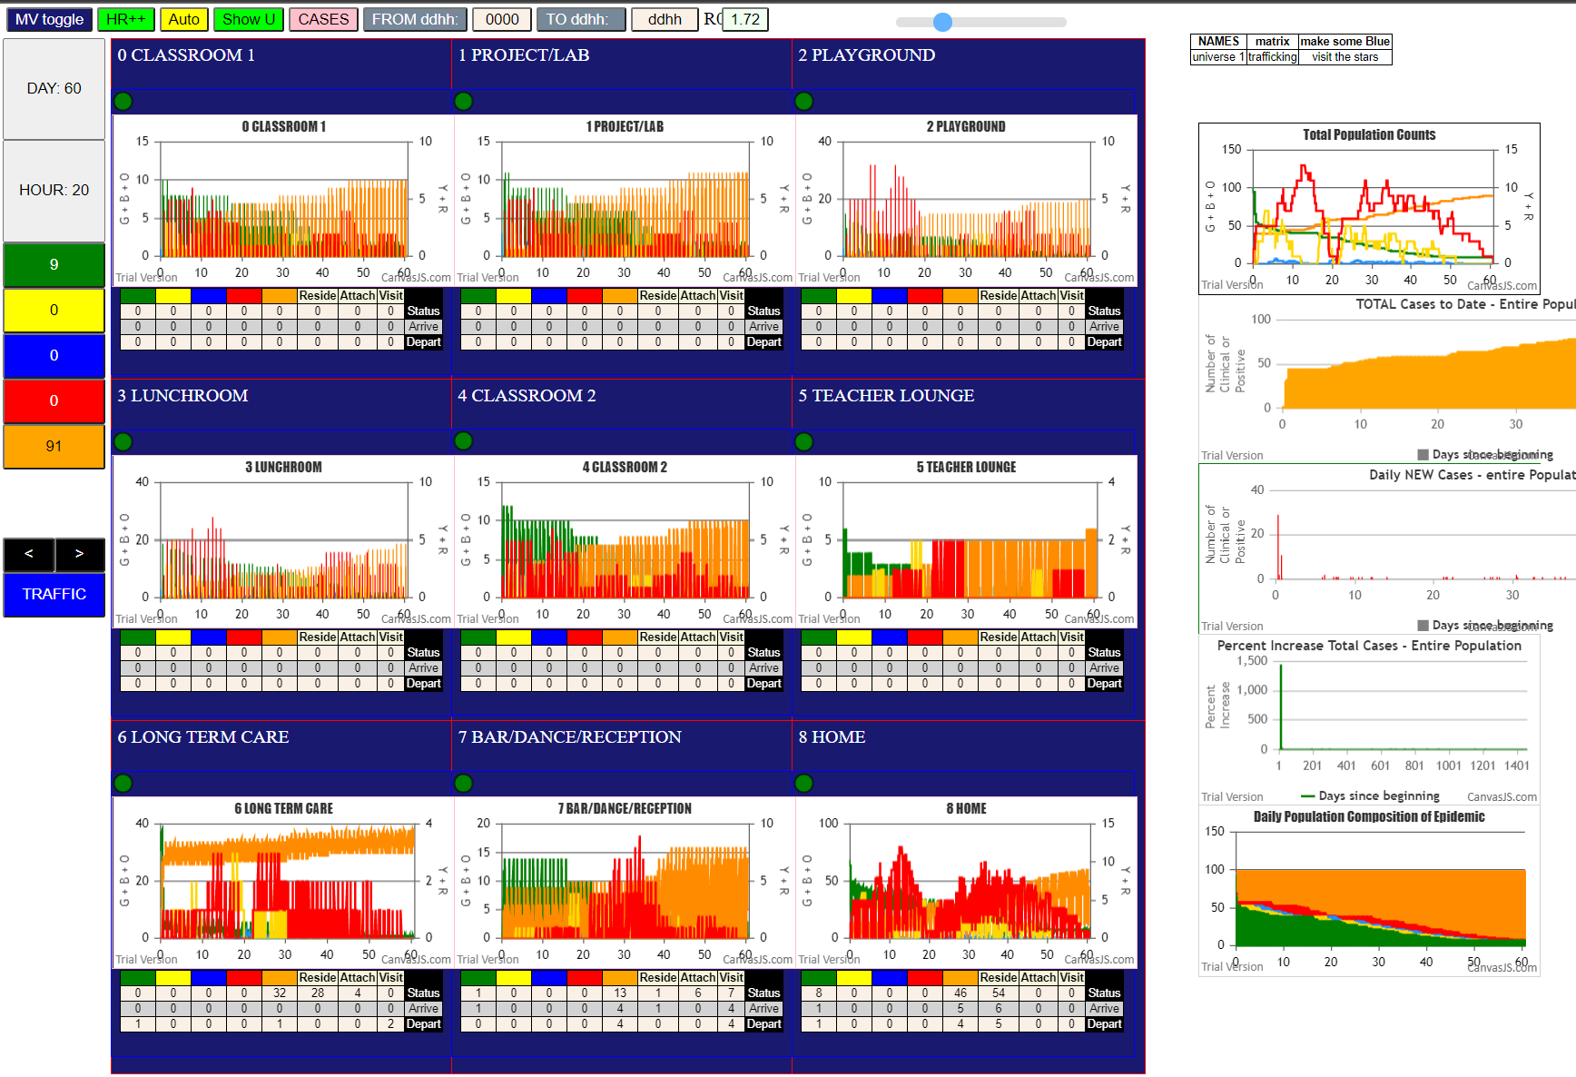
fic Daylight Time), webkitRelativePath: "", size: 144, …}
simulation.js:2036 0I j:famKey 31:F02 infected by green i:famKey 10:F02 at gen 0 in Univ8
simulation.js:2036 6I j:famKey 52:F07 infected by blue i:famKey 14:F07 at gen 4 in Univ8
simulation.js:1638 35
simulation.js:1639 (35) [62, 63, 64, 65, 66, 67, 68, 69, 70, 71, 72, 73, 74, 75, 76, 77, 78, 79, 80, 81, 82, 83, 84, 85, 86, 87, 88, 89, 48, 49, 50, 51, 52, 53, 54]
simulation.js:1649 (34) [62, 63, 64, 65, 66, 67, 68, 69, 70, 71, 72, 73, 74, 75, 76, 77, 78, 79, 80, 81, 82, 83, 84, 85, 86, 87, 88, 89, 48, 49, 50, 51, 53, 54]
simulation.js:1654 Vaccination list = 26
4simulation.js:2036 33I j:famKey 19:F18 infected by red i:famKey 12:F04 at gen 9 in Univ4
simulation.js:2036 34I j:famKey 22:F02 infected by red i:famKey 10:F02 at gen 17 in Univ8
simulation.js:1638 39
simulation.js:1639 (39) [62, 69, 70, 71, 72, 73, 74, 75, 76, 77, 78, 79, 80, 81, 82, 83, 84, 85, 86, 87, 88, 89, 63, 64, 65, 66, 67, 68, 55, 56, 57, 58, 5, 6, 21, 27, 30, 92, 93]
simulation.js:1649 (16) [70, 80, 86, 63, 66, 55, 56, 57, 58, 5, 6, 21, 27, 30, 92, 93]
simulation.js:1654 Vaccination list = 12
simulation.js:2036 47I j:famKey 33:F06 infected by red i:famKey 13:F06 at gen 29 in Univ8
simulation.js:2036 48I j:famKey 16:F16 infected by red i:famKey 13:F06 at gen 36 in Univ3
simulation.js:2052 49I i:famKey 44:F06 infected by red j:famKey 13:F06 at gen 46 in U8
simulation.js:2052 50I i:famKey 8:F16 infected by red j:famKey 13:F06 at gen 58 in U2
simulation.js:2052 50I i:famKey 0:-1 infected by red j:famKey 14:F07 at gen 58 in U2
2simulation.js:2036 52I j:famKey 17:F16 infected by red i:famKey 14:F07 at gen 81 in Univ4
simulation.js:2052 53I i:famKey 54:F09 infected by red j:famKey 31:F02 at gen 116 in U7
simulation.js:2052 54I i:famKey 3:F06 infected by red j:famKey 11:F03 at gen 130 in U2
simulation.js:2052 55I i:famKey 15:F07 infected by red j:famKey 52:F07 at gen 146 in U8
simulation.js:2036 56I j:famKey 4:F07 infected by red i:famKey 52:F07 at gen 160 in Univ8
simulation.js:2052 57I i:famKey 94:F07 infected by red j:famKey 52:F07 at gen 164 in U7
simulation.js:2052 58I i:famKey 48:F00 infected by red j:famKey 52:F07 at gen 211 in U7
simulation.js:2036 59I j:famKey 25:F06 infected by red i:famKey 33:F06 at gen 230 in Univ4
simulation.js:2052 60I i:famKey 28:F10 infected by red j:famKey 31:F02 at gen 249 in U0
simulation.js:2036 60I j:famKey 9:F17 infected by red i:famKey 8:F16 at gen 249 in Univ1
simulation.js:2036 62I j:famKey 26:F08 infected by red i:famKey 0:-1 at gen 275 in Univ3
simulation.js:2036 63I j:famKey 18:F17 infected by red i:famKey 16:F16 at gen 298 in Univ2
simulation.js:2036 63I j:famKey 29:F17 infected by red i:famKey 3:F06 at gen 299 in Univ3
simulation.js:2036 65I j:famKey 95:F08 infected by red i:famKey 94:F07 at gen 326 in Univ7
simulation.js:2036 65I j:famKey 32:F05 infected by red i:famKey 4:F07 at gen 327 in Univ4
simulation.js:2052 67I i:famKey 2:F00 infected by red j:famKey 48:F00 at gen 364 in U8
simulation.js:2052 68I i:famKey 20:F00 infected by red j:famKey 28:F10 at gen 373 in U2
simulation.js:2036 69I j:famKey 34:F15 infected by red i:famKey 94:F07 at gen 378 in Univ7
simulation.js:2052 70I i:famKey 46:F10 infected by red j:famKey 28:F10 at gen 389 in U8
simulation.js:2036 71I j:famKey 36:F10 infected by red i:famKey 28:F10 at gen 404 in Univ8
simulation.js:2036 72I j:famKey 99:F17 infected by red i:famKey 18:F17 at gen 432 in Univ8
simulation.js:2052 73I i:famKey 24:F05 infected by red j:famKey 26:F08 at gen 465 in U0
simulation.js:2052 74I i:famKey 23:F03 infected by red j:famKey 25:F06 at gen 518 in U4
simulation.js:2036 75I j:famKey 91:F01 infected by red i:famKey 34:F15 at gen 550 in Univ7
simulation.js:2052 76I i:famKey 47:F15 infected by red j:famKey 34:F15 at gen 573 in U8
simulation.js:2052 77I i:famKey 7:F10 infected by red j:famKey 36:F10 at gen 599 in U8
simulation.js:2052 78I i:famKey 86:-1 infected by red j:famKey 99:F17 at gen 637 in U6
2simulation.js:2052 79I i:famKey 5:F08 infected by red j:famKey 23:F03 at gen 731 in U3
simulation.js:2036 80I j:famKey 60:F16 infected by blue i:famKey 86:-1 at gen 745 in Univ6
simulation.js:2036 81I j:famKey 35:F18 infected by red i:famKey 23:F03 at gen 756 in Univ4
simulation.js:2036 82I j:famKey 97:F10 infected by red i:famKey 7:F10 at gen 799 in Univ8
simulation.js:2052 83I i:famKey 59:F15 infected by blue j:famKey 60:F16 at gen 821 in U6
simulation.js:2036 84I j:famKey 61:F17 infected by red i:famKey 60:F16 at gen 891 in Univ6
simulation.js:2052 85I i:famKey 96:F09 infected by red j:famKey 97:F10 at gen 981 in U7
simulation.js:2052

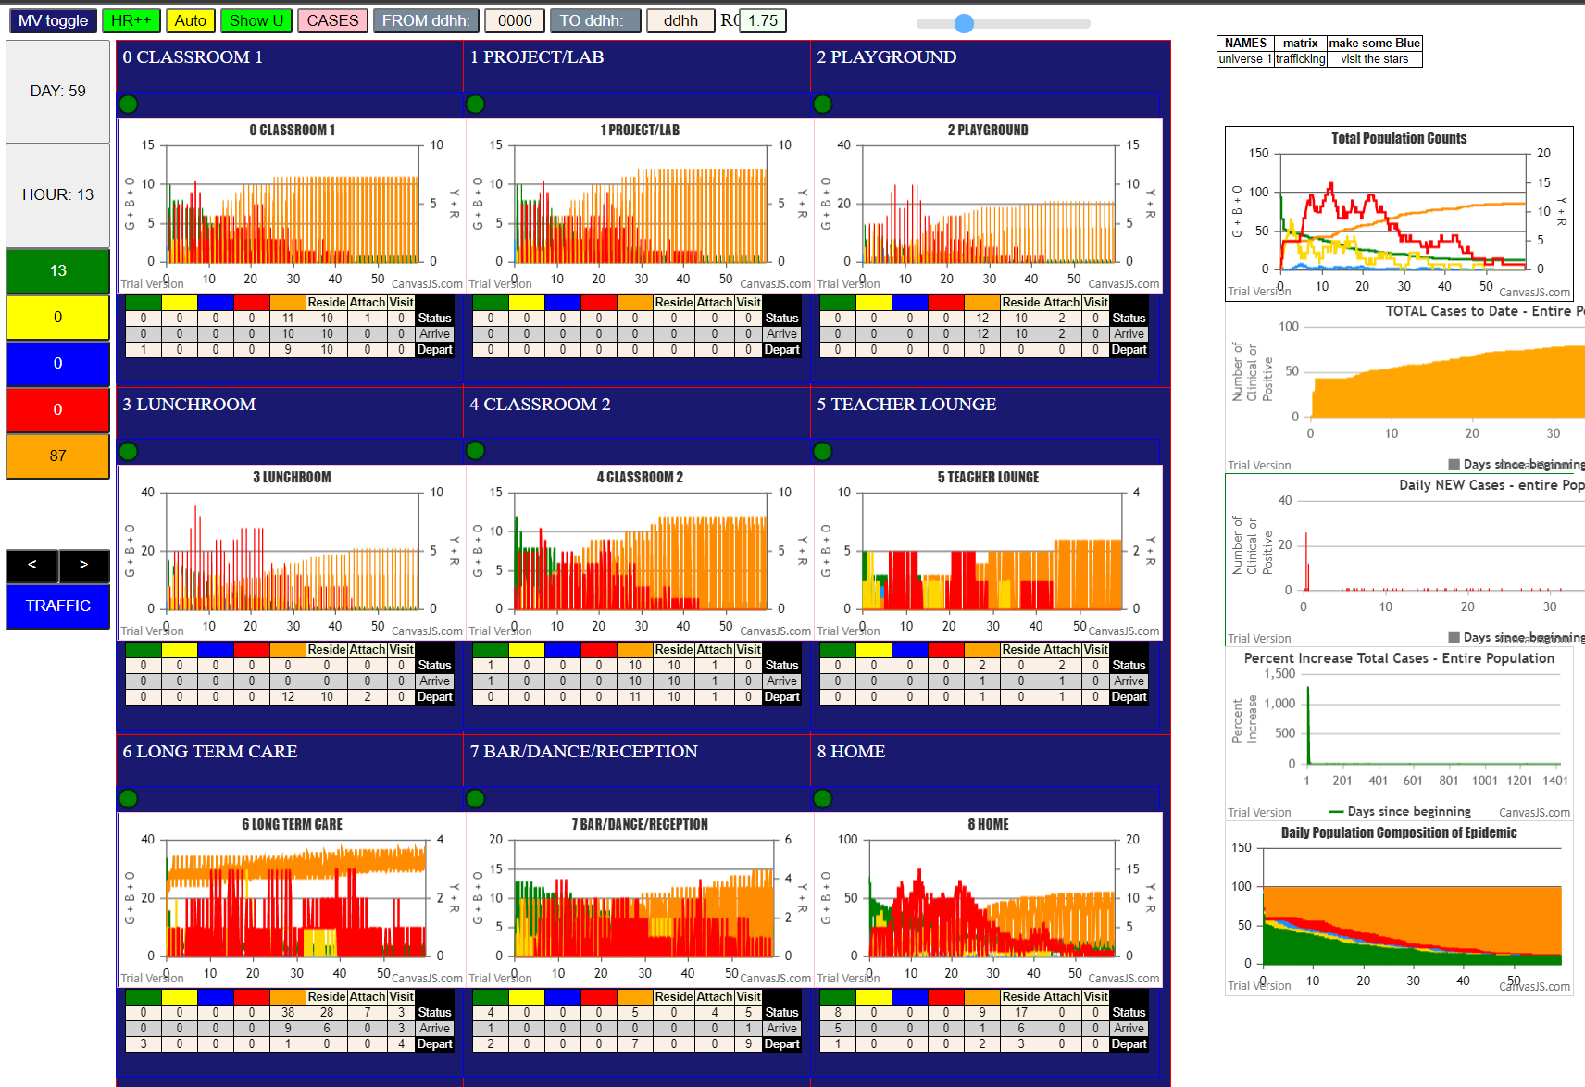

File {name: "VL5.csv", lastModified: 1602824104000, lastModifiedDate: Thu Oct 15 2020 21:55:04 GMT-0700 (Pacific Daylight Time), webkitRelativePath: "", size: 144, …}
simulation.js:1638 38
simulation.js:1639 (38) [62, 63, 64, 65, 66, 67, 68, 69, 70, 71, 72, 73, 74, 75, 76, 77, 78, 79, 80, 81, 82, 83, 84, 85, 86, 87, 88, 89, 48, 49, 50, 51, 52, 53, 54, 40, 43, 96]
simulation.js:1649 (38) [62, 63, 64, 65, 66, 67, 68, 69, 70, 71, 72, 73, 74, 75, 76, 77, 78, 79, 80, 81, 82, 83, 84, 85, 86, 87, 88, 89, 48, 49, 50, 51, 52, 53, 54, 40, 43, 96]
simulation.js:1654 Vaccination list = 29
simulation.js:1638 37
simulation.js:1639 (37) [62, 69, 70, 71, 72, 73, 74, 75, 76, 77, 78, 79, 80, 81, 82, 83, 84, 85, 86, 87, 88, 89, 63, 64, 65, 66, 67, 68, 55, 56, 57, 58, 1, 10, 31, 32, 90]
simulation.js:1649 (15) [69, 74, 79, 81, 86, 89, 63, 55, 56, 57, 58, 1, 31, 32, 90]
simulation.js:1654 Vaccination list = 11
simulation.js:2052 45I i:famKey 3:F06 infected by red j:famKey 13:F06 at gen 30 in U8
simulation.js:2052 46I i:famKey 4:F07 infected by red j:famKey 10:F02 at gen 34 in U2
simulation.js:2052 46I i:famKey 0:-1 infected by red j:famKey 13:F06 at gen 34 in U2
4simulation.js:2036 48I j:famKey 15:F07 infected by red i:famKey 12:F04 at gen 63 in Univ0
simulation.js:2052 49I i:famKey 63:F02 infected by red j:famKey 12:F04 at gen 67 in U6
simulation.js:2036 50I j:famKey 25:F06 infected by red i:famKey 13:F06 at gen 69 in Univ8
simulation.js:2052 51I i:famKey 22:F02 infected by red j:famKey 10:F02 at gen 71 in U8
simulation.js:2036 52I j:famKey 16:F16 infected by red i:famKey 13:F06 at gen 110 in Univ1
simulation.js:2052 53I i:famKey 45:F06 infected by red j:famKey 13:F06 at gen 124 in U8
simulation.js:2052 54I i:famKey 44:F06 infected by red j:famKey 13:F06 at gen 138 in U8
simulation.js:2036 55I j:famKey 6:F09 infected by red i:famKey 4:F07 at gen 153 in Univ1
simulation.js:2036 56I j:famKey 33:F06 infected by red i:famKey 13:F06 at gen 173 in Univ8
simulation.js:2036 57I j:famKey 5:F08 infected by red i:famKey 0:-1 at gen 177 in Univ1
simulation.js:2052 58I i:famKey 2:F00 infected by red j:famKey 3:F06 at gen 226 in U2
simulation.js:2036 59I j:famKey 35:F18 infected by red i:famKey 6:F09 at gen 395 in Univ3
simulation.js:2036 59I j:famKey 34:F15 infected by red i:famKey 2:F00 at gen 396 in Univ0
simulation.js:2052 61I i:famKey 53:F08 infected by red j:famKey 5:F08 at gen 402 in U8
simulation.js:2052 62I i:famKey 94:F07 infected by red j:famKey 33:F06 at gen 404 in U7
simulation.js:2052 63I i:famKey 79:-1 infected by red j:famKey 44:F06 at gen 419 in U6
simulation.js:2036 64I j:famKey 29:F17 infected by red i:famKey 33:F06 at gen 422 in Univ4
simulation.js:2052 65I i:famKey 95:F08 infected by red j:famKey 34:F15 at gen 526 in U7
simulation.js:2036 66I j:famKey 99:F17 infected by blue i:famKey 29:F17 at gen 535 in Univ8
simulation.js:2052 67I i:famKey 97:F10 infected by red j:famKey 34:F15 at gen 546 in U7
simulation.js:2036 68I j:famKey 61:F17 infected by red i:famKey 79:-1 at gen 556 in Univ6
2simulation.js:2052 69I i:famKey 20:F00 infected by red j:famKey 29:F17 at gen 566 in U4
simulation.js:2036 70I j:famKey 98:F16 infected by red i:famKey 94:F07 at gen 618 in Univ7
simulation.js:2036 71I j:famKey 92:F03 infected by red i:famKey 53:F08 at gen 622 in Univ7
simulation.js:2036 71I j:famKey 93:F05 infected by red i:famKey 53:F08 at gen 622 in Univ7
simulation.js:2052 73I i:famKey 18:F17 infected by blue j:famKey 61:F17 at gen 669 in U8
simulation.js:2052 74I i:famKey 60:F16 infected by blue j:famKey 61:F17 at gen 672 in U6
simulation.js:2052 75I i:famKey 96:F09 infected by red j:famKey 61:F17 at gen 694 in U7
simulation.js:2052 76I i:famKey 39:F13 infected by red j:famKey 95:F08 at gen 738 in U7
simulation.js:2052 77I i:famKey 8:F16 infected by red j:famKey 98:F16 at gen 744 in U8
simulation.js:2052 78I i:famKey 7:F10 infected by red j:famKey 97:F10 at gen 770 in U8
simulation.js:2052 79I i:famKey 17:F16 infected by red j:famKey 18:F17 at gen 802 in U2
simulation.js:2052 80I i:famKey 23:F03 infected by red j:famKey 92:F03 at gen 824 in U8
simulation.js:2036 81I j:famKey 56:F12 infected by red i:famKey 92:F03 at gen 828 in Univ7
simulation.js:2052 82I i:famKey 24:F05 infected by red j:famKey 93:F05 at gen 842 in U8
simulation.js:2052 83I i:famKey 46:F10 infected by red j:famKey 7:F10 at gen 915 in U8
simulation.js:2052 84I i:famKey 27:F09 infected by red j:famKey 96:F09 at gen 919 in U8
simulation.js:2036 85I j:famKey 28:F10 infected by red i:famKey 7:F10 at gen 934 in Univ8
simulation.js:2052 86I i:famKey 38:F12 infected by red j:famKey 56:F12 at gen 985 in U8
simulation.js:2036 87I j:famKey 36:F10 infected by blue i:famKey 28:F10 at gen 1030 in Univ8
simulation.js:2052 88I i:famKey 1:F05 infected by red j:famKey 24:F05 at gen 1067 in U3
simulation.js:2036 89I j:famKey 30:F01 infected by red i:famKey 24:F05 at gen 1090 in Univ4
simulation.js:2036 90I j:famKey 9:F17 infected by blue i:famKey 1:F05 at gen 116

SchT8-L10-P11
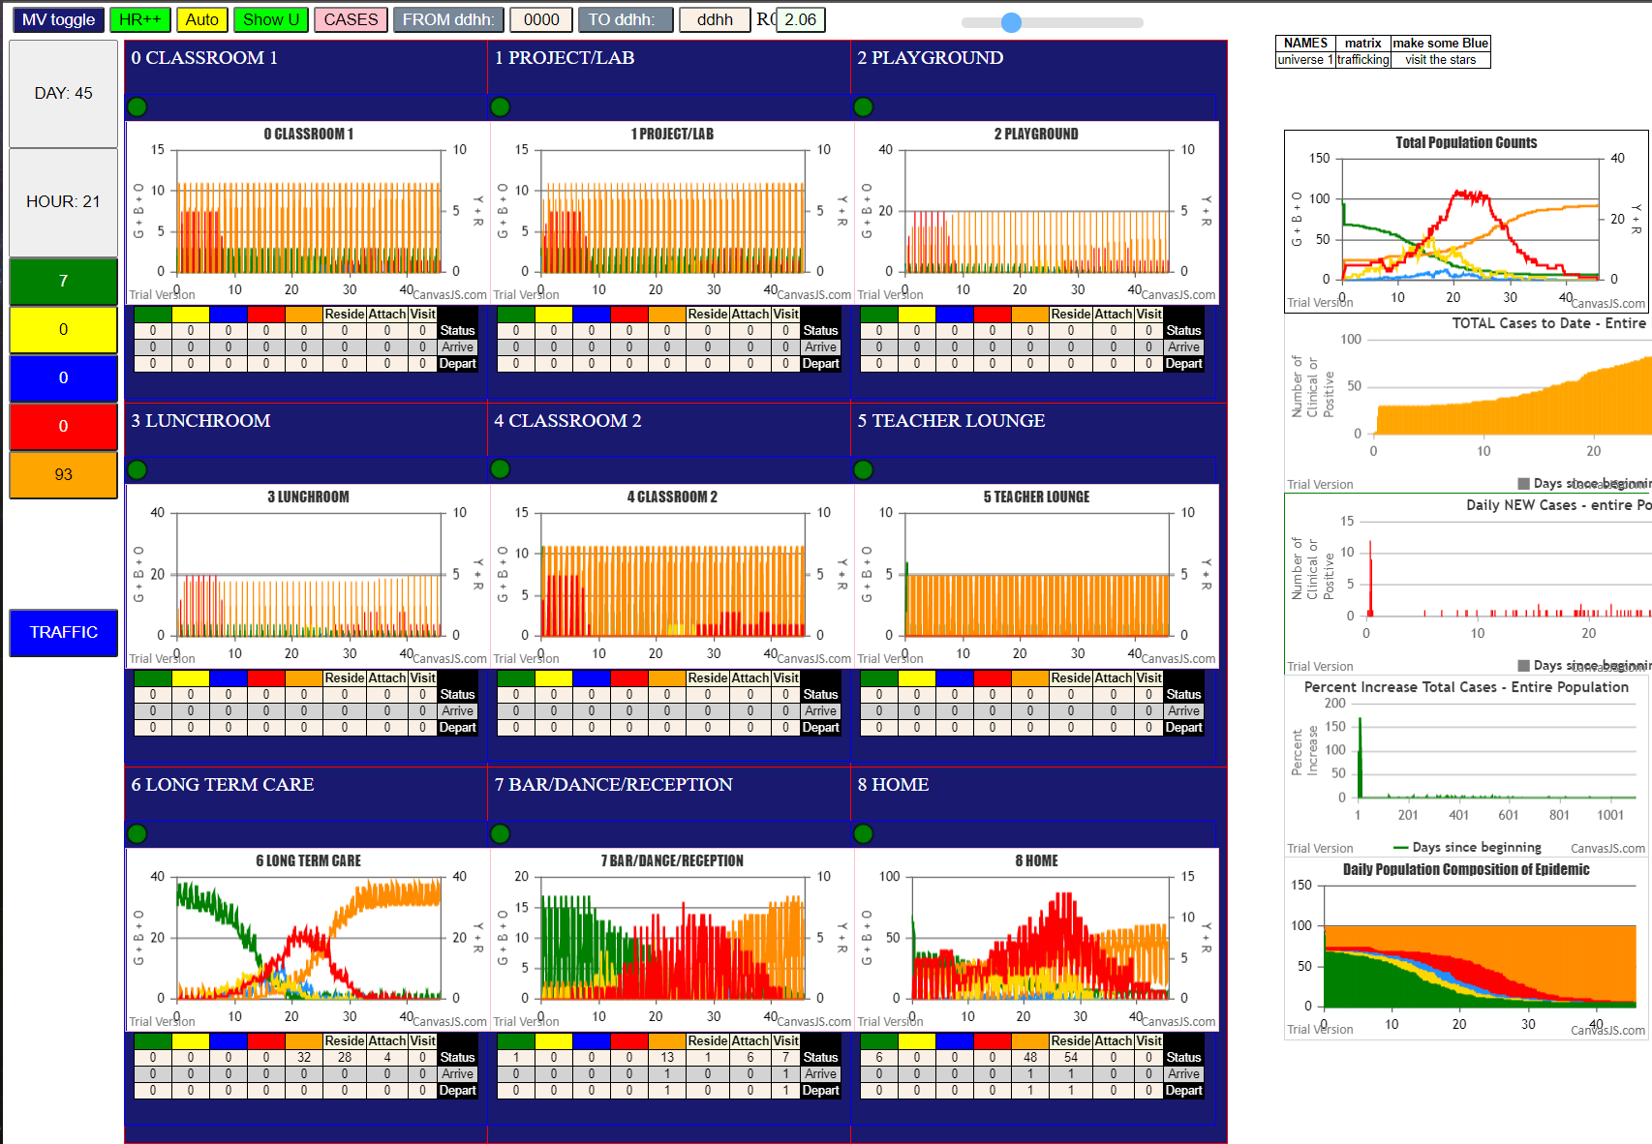
File {name: "VL5.csv", lastModified: 1602824104000, lastModifiedDate: Thu Oct 15 2020 21:55:04 GMT-0700 (Pacific Daylight Time), webkitRelativePath: "", size: 144, …}
simulation.js:2036 0I j:famKey 45:F06 infected by red i:famKey 13:F06 at gen 1 in Univ8
simulation.js:1638 6
simulation.js:1639 (6) [30, 31, 32, 33, 34, 35]
simulation.js:1649 (6) [30, 31, 32, 33, 34, 35]
simulation.js:1654 Vaccination list = 4
simulation.js:2052 10I i:famKey 5:F08 infected by red j:famKey 12:F04 at gen 10 in U2
simulation.js:1638 22
simulation.js:1639 (22) [0, 1, 2, 3, 4, 5, 6, 7, 8, 9, 10, 11, 12, 13, 14, 15, 16, 17, 18, 19, 31, 33]
simulation.js:1649 (16) [0, 1, 2, 3, 4, 5, 6, 7, 8, 9, 15, 16, 17, 18, 19, 33]
simulation.js:1654 Vaccination list = 12
simulation.js:1638 22
simulation.js:1639 (22) [0, 1, 2, 3, 4, 5, 6, 7, 8, 9, 20, 21, 22, 23, 24, 25, 26, 27, 28, 29, 30, 35]
simulation.js:1649 (13) [2, 4, 20, 21, 22, 23, 24, 25, 26, 27, 28, 29, 30]
simulation.js:1654 Vaccination list = 9
simulation.js:2052 31I i:famKey 87:-1 infected by red j:famKey 12:F04 at gen 43 in U6
simulation.js:2052 32I i:famKey 42:F04 infected by red j:famKey 12:F04 at gen 74 in U8
simulation.js:2052 33I i:famKey 69:F14 infected by red j:famKey 12:F04 at gen 91 in U6
simulation.js:2036 34I j:famKey 50:F03 infected by red i:famKey 11:F03 at gen 102 in Univ8
simulation.js:2052 35I i:famKey 44:F06 infected by blue j:famKey 45:F06 at gen 117 in U8
simulation.js:2036 36I j:famKey 60:F16 infected by blue i:famKey 87:-1 at gen 147 in Univ6
simulation.js:2052 37I i:famKey 77:-1 infected by blue j:famKey 87:-1 at gen 159 in U6
simulation.js:2052 38I i:famKey 62:F01 infected by red j:famKey 87:-1 at gen 163 in U6
simulation.js:2052 39I i:famKey 82:-1 infected by red j:famKey 87:-1 at gen 182 in U6
simulation.js:2036 40I j:famKey 51:F06 infected by red i:famKey 87:-1 at gen 204 in Univ6
simulation.js:2036 41I j:famKey 56:F12 infected by blue i:famKey 69:F14 at gen 207 in Univ6
simulation.js:2036 42I j:famKey 57:F13 infected by red i:famKey 87:-1 at gen 209 in Univ6
simulation.js:2036 43I j:famKey 99:F17 infected by red i:famKey 69:F14 at gen 231 in Univ6
simulation.js:2036 44I j:famKey 66:F06 infected by red i:famKey 69:F14 at gen 233 in Univ6
3simulation.js:2036 45I j:famKey 85:-1 infected by blue i:famKey 62:F01 at gen 245 in Univ6
simulation.js:2052 46I i:famKey 88:-1 infected by red j:famKey 44:F06 at gen 251 in U6
simulation.js:2036 46I j:famKey 63:F02 infected by red i:famKey 69:F14 at gen 251 in Univ6
simulation.js:2036 48I j:famKey 58:F14 infected by blue i:famKey 77:-1 at gen 262 in Univ6
3simulation.js:2052 49I i:famKey 75:-1 infected by blue j:famKey 77:-1 at gen 264 in U6
simulation.js:2036 50I j:famKey 70:F15 infected by blue i:famKey 62:F01 at gen 272 in Univ6
simulation.js:2036 51I j:famKey 65:F03 infected by red i:famKey 69:F14 at gen 274 in Univ6
simulation.js:2036 52I j:famKey 59:F15 infected by red i:famKey 69:F14 at gen 287 in Univ6
simulation.js:2036 53I j:famKey 43:F04 infected by red i:famKey 42:F04 at gen 290 in Univ8
simulation.js:2036 54I j:famKey 52:F07 infected by red i:famKey 87:-1 at gen 301 in Univ6
simulation.js:2052 55I i:famKey 73:-1 infected by blue j:famKey 66:F06 at gen 306 in U6
simulation.js:2036 56I j:famKey 64:F03 infected by red i:famKey 50:F03 at gen 325 in Univ6
simulation.js:2052 57I i:famKey 40:F14 infected by red j:famKey 51:F06 at gen 329 in U7
simulation.js:2036 57I j:famKey 86:-1 infected by red i:famKey 69:F14 at gen 330 in Univ6
simulation.js:2036 59I j:famKey 84:-1 infected by red i:famKey 69:F14 at gen 332 in Univ6
simulation.js:2036 60I j:famKey 83:-1 infected by blue i:famKey 75:-1 at gen 338 in Univ6
simulation.js:2036 61I j:famKey 80:-1 infected by red i:famKey 62:F01 at gen 340 in Univ6
simulation.js:2052 62I i:famKey 78:-1 infected by red j:famKey 60:F16 at gen 342 in U6
simulation.js:2036 63I j:famKey 53:F08 infected by red i:famKey 77:-1 at gen 346 in Univ6
simulation.js:2052 64I i:famKey 79:-1 infected by blue j:famKey 63:F02 at gen 353 in U6
simulation.js:2036 64I j:famKey 74:-1 infected by red i:famKey 69:F14 at gen 354 in Univ6
simulation.js:2036 64I j:famKey 76:-1 infected by red i:famKey 62:F01 at gen 354 in Univ6
simulation.js:2036 67I j:famKey 46:F10 infected by red i:famKey 77:-1 at gen 373 in Univ6
simulation.js:2052 67I i:famKey 89:-1 infected by red j:famKey 51:F06 at gen 374 in U6
simulation.js:2052 69I i:famKey 98:F16 infected by red j:famKey 99:F17 at gen 380 in U7
simulation.js:2052 70I i:famKey 71:F18 infected by red j:famKey 85:-1 at gen 403 in U6
simulation.js:2052 71I i:famKey 72:-1 infected by red j:famKey 59:F15 at gen 412 in U6
simulation.js:2036 72I j:famKey 48:F00 infected by red i:famKey 85:-1 at gen 416 in Univ6
simulation.js:2036 73I j:famKey 96:F09 infected by blue i:famKey 53:F08 at gen 418 in Univ6
simulation.js:2036 74I j:famKey 55:F11 infected by blue i:famKey 76:-1 at gen 429 in Univ6
simulation.js:2036 75I j:famKey 49:F02 infected by blue i:famKey 64:F03 at gen 440 in Univ6
simulation.js:2052 76I i:famKey 81:-1 infected by red j:famKey 63:F02 at gen 449 in U6
simulation.js:2036 76I j:famKey 68:F14 infected by red i:famKey 85:-1 at gen 449 in Univ6
simulation.js:2036 78I j:famKey 54:F09 infected by red i:famKey 83:-1 at gen 464 in Univ6
simulation.js:2036 79I j:famKey 97:F10 infected by red i:famKey 84:-1 at gen 467 in Univ6
simulation.js:2036 80I j:famKey 36:F10 infected by red i:famKey 78:-1 at gen 471 in Univ6
simulation.js:2036 81I j:famKey 67:F13 infected by red i:famKey 84:-1 at gen 473 in Univ6
simulation.js:2052 82I i:famKey 41:F02 infected by red j:famKey 58:F14 at gen 492 in U7
simulation.js:2036 83I j:famKey 90:F00 infected by red i:famKey 85:-1 at gen 498 in Univ6
simulation.js:2036 84I j:famKey 61:F17 infected by red i:famKey 83:-1 at gen 528 in Univ6
simulation.js:2052 85I i:famKey 26:F08 infected by red j:famKey 53:F08 at gen 534 in U8
simulation.js:2052 86I i:famKey 93:F05 infected by blue j:famKey 55:F11 at gen 540 in U7
simulation.js:2036 87I j:famKey 94:F07 infected by red i:famKey 52:F07 at gen 575 in Univ8
simulation.js:2052 88I i:famKey 25:F06 infected by blue j:famKey 26:F08 at gen 636 in U4
simulation.js:2052 89I i:famKey 91:F01 infected by red j:famKey 97:F10 at gen 638 in U7
simulation.js:2036 90I j:famKey 95:F08 infected by red i:famKey 49:F02 at gen 665 in Univ7
simulation.js:2036 91I j:famKey 92:F03 infected by red i:famKey 90:F00 at gen 708 in Univ7
simulation.js:2052 92I i:famKey 24:F05 infected by red j:famKey 25:F06 at gen

Bar 10-12-14-16-18-20-22
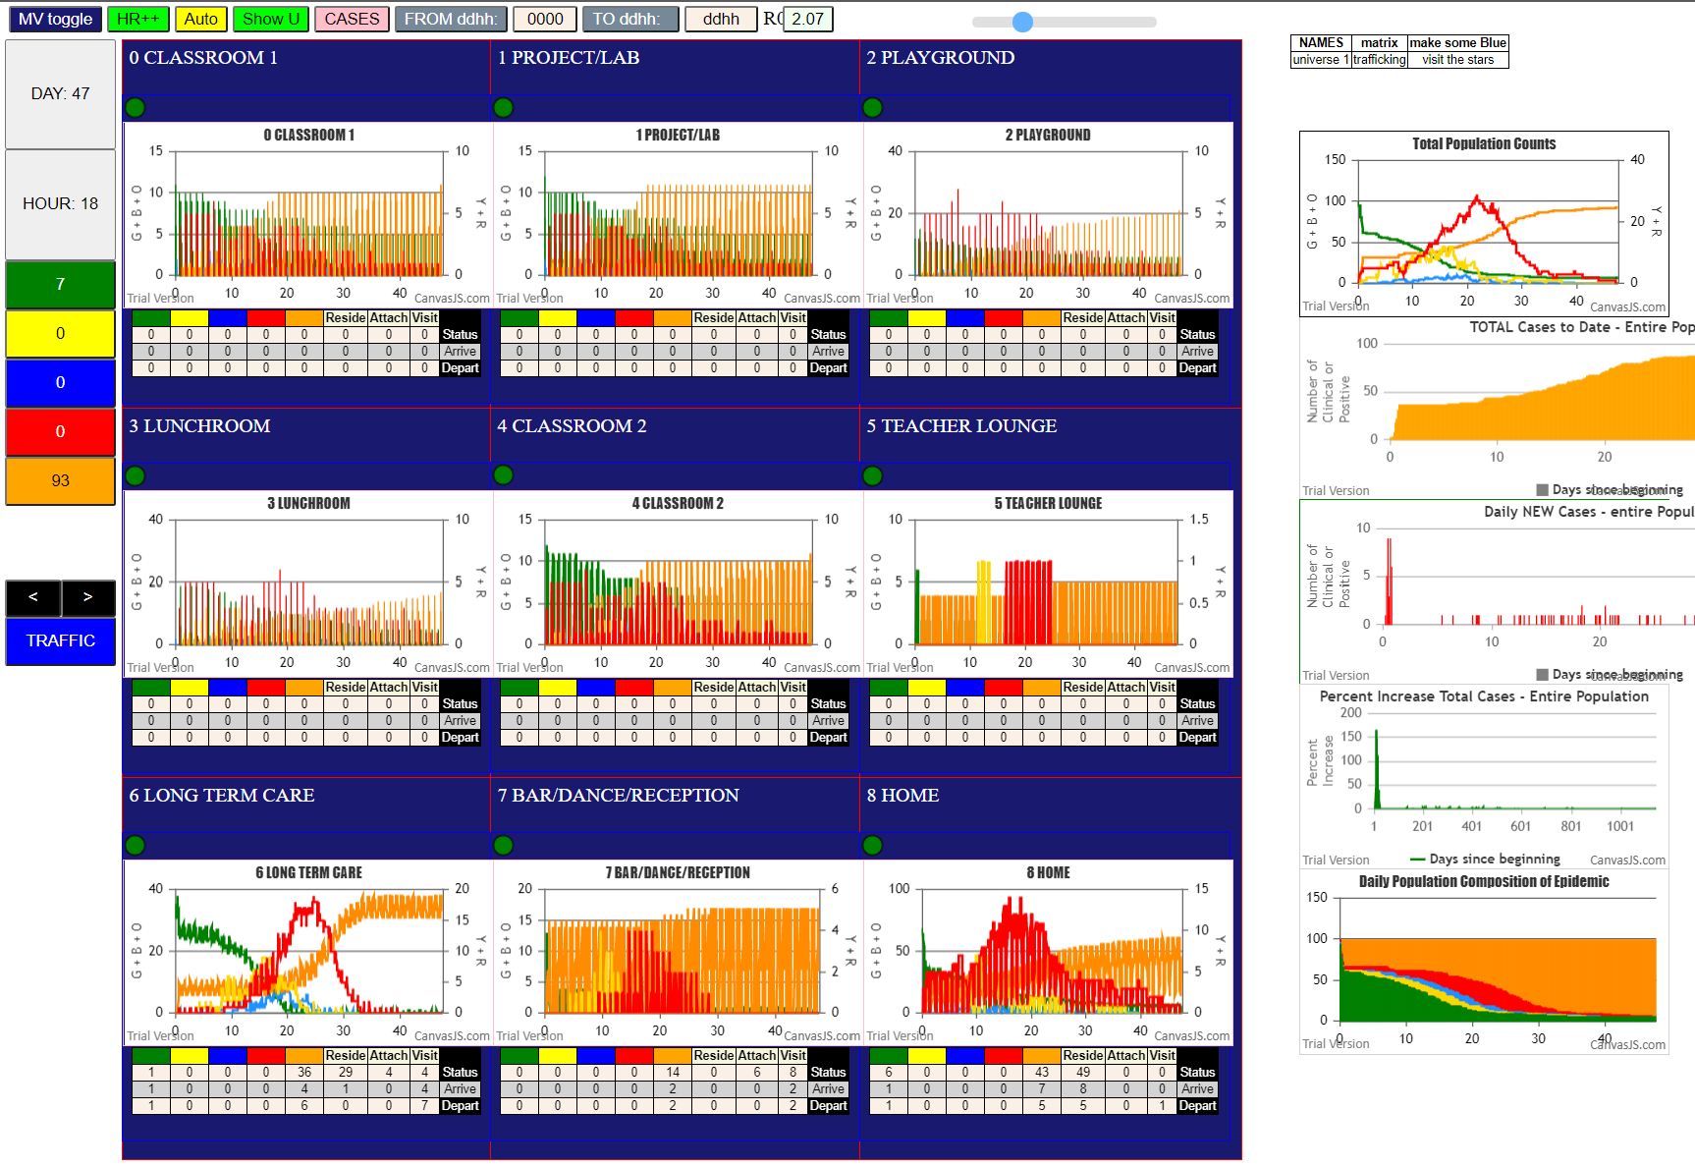
File {name: "VL5.csv", lastModified: 1602824104000, lastModifiedDate: Thu Oct 15 2020 21:55:04 GMT-0700 (Pacific Daylight Time), webkitRelativePath: "", size: 144, …}
simulation.js:1638 8
simulation.js:1639 (8) [38, 39, 57, 58, 90, 91, 92, 93]
simulation.js:1649 (8) [38, 39, 57, 58, 90, 91, 92, 93]
simulation.js:1654 Vaccination list = 5
simulation.js:1638 17 | Agent | F1 | inf BY | F2 | gen | @ | Agent | F1 | inf BY | F2 | gen | @
simulation.js:1639 (17) [90, 91, 92, 93, 36, 37, 41, 55, 56, 57, 58, 63, 64, 65, 66, 67, 68] | 3 | F06 | 13 | F06 | 18 | U8 | 2 | F00 | 5 | F08 | 829 | U
simulation.js:1649 (13) [92, 93, 36, 37, 41, 55, 56, 63, 64, 65, 66, 67, 68] | 19 | F18 | 11 | F03 | 37 | U0 | 19 | F18 | 11 | F03 | 37 | U0
simulation.js:1654 Vaccination list = 9 | 18 | F17 | 12 | F04 | 82 | U2 | 7 | F10 | 3 | F06 | 300 | U0
simulation.js:1638 8 | 15 | F07 | 14 | F07 | 88 | U8 | 4 | F07 | 1 | F05 | 684 | U0
simulation.js:1639 (8) [90, 91, 92, 93, 94, 95, 96, 97] | 70 | F15 | 10 | F02 | 90 | U6 | 17 | F16 | 14 | F07 | 131 | U1
simulation.js:1649 (5) [93, 94, 95, 96, 97] | 41 | F02 | 10 | F02 | 93 | U8 | 18 | F17 | 12 | F04 | 82 | U2
simulation.js:1654 Vaccination list = 3 | 43 | F04 | 12 | F04 | 102 | U8 | 0 | -1 | 11 | F03 | 178 | U2
simulation.js:1638 7 | 17 | F16 | 14 | F07 | 131 | U1 | 6 | F09 | 3 | F06 | 250 | U2
simulation.js:1639 (7) [90, 91, 92, 93, 59, 60, 61] | 25 | F06 | 3 | F06 | 141 | U8 | 1 | F05 | 29 | F17 | 467 | U3
simulation.js:1649 (3) [59, 60, 61] | 50 | F03 | 11 | F03 | 174 | U8 | 23 | F03 | 1 | F05 | 755 | U3
simulation.js:1654 Vaccination list = 1 | 0 | -1 | 11 | F03 | 178 | U2 | 8 | F16 | 3 | F06 | 229 | U4
simulation.js:2052 23I i:famKey 3:F06 infected by red j:famKey 13:F06 at gen 18 in U8 | 89 | -1 | 70 | F15 | 188 | U6 | 33 | F06 | 0 | -1 | 277 | U4
simulation.js:1638 14 | 62 | F01 | 70 | F15 | 201 | U6 | 70 | F15 | 10 | F02 | 90 | U6
simulation.js:1639 (14) [39, 40, 48, 49, 50, 51, 94, 95, 96, 97, 98, 99, 34, 35] | 52 | F07 | 70 | F15 | 201 | U6 | 89 | -1 | 70 | F15 | 188 | U6
simulation.js:1649 (12) [39, 40, 48, 49, 50, 51, 95, 96, 98, 99, 34, 35] | 51 | F06 | 25 | F06 | 221 | U8 | 62 | F01 | 70 | F15 | 201 | U6
simulation.js:1654 Vaccination list = 9 | 49 | F02 | 70 | F15 | 226 | U6 | 52 | F07 | 70 | F15 | 201 | U6
simulation.js:1638 14 | 8 | F16 | 3 | F06 | 229 | U4 | 49 | F02 | 70 | F15 | 226 | U6
simulation.js:1639 (14) [94, 95, 96, 97, 98, 99, 52, 53, 54, 30, 31, 32, 33, 59] | 29 | F17 | 18 | F17 | 239 | U8 | 73 | -1 | 70 | F15 | 253 | U6
simulation.js:1649 (8) [52, 53, 54, 30, 31, 32, 33, 59] | 6 | F09 | 3 | F06 | 250 | U2 | 80 | -1 | 70 | F15 | 277 | U6
simulation.js:1654 Vaccination list = 5 | 73 | -1 | 70 | F15 | 253 | U6 | 81 | -1 | 50 | F03 | 297 | U6
simulation.js:1638 17 | 44 | F06 | 3 | F06 | 264 | U8 | 86 | -1 | 49 | F02 | 323 | U6
simulation.js:1639 (17) [94, 95, 96, 97, 98, 99, 52, 53, 54, 60, 34, 35, 61, 90, 91, 92, 93] | 33 | F06 | 0 | -1 | 277 | U4 | 71 | F18 | 62 | F01 | 324 | U6
simulation.js:1649 (2) [52, 60] | 80 | -1 | 70 | F15 | 277 | U6 | 82 | -1 | 52 | F07 | 324 | U6
simulation.js:1654 Vaccination list = 0 | 60 | F16 | 17 | F16 | 281 | U8 | 83 | -1 | 62 | F01 | 325 | U6
simulation.js:2036 38I j:famKey 19:F18 infected by red i:famKey 11:F03 at gen 37 in Univ0 | 81 | -1 | 50 | F03 | 297 | U6 | 68 | F14 | 50 | F03 | 347 | U6
simulation.js:2036 39I j:famKey 18:F17 infected by red i:famKey 12:F04 at gen 82 in Univ2 | 7 | F10 | 3 | F06 | 300 | U0 | 69 | F14 | 89 | -1 | 354 | U6
simulation.js:2036 40I j:famKey 15:F07 infected by red i:famKey 14:F07 at gen 88 in Univ8 | 42 | F04 | 43 | F04 | 317 | U8 | 87 | -1 | 52 | F07 | 369 | U6
simulation.js:2052 41I i:famKey 70:F15 infected by red j:famKey 10:F02 at gen 90 in U6 | 86 | -1 | 49 | F02 | 323 | U6 | 76 | -1 | 52 | F07 | 370 | U6
simulation.js:2052 42I i:famKey 41:F02 infected by red j:famKey 10:F02 at gen 93 in U8 | 71 | F18 | 62 | F01 | 324 | U6 | 78 | -1 | 52 | F07 | 373 | U6
simulation.js:2052 43I i:famKey 43:F04 infected by red j:famKey 12:F04 at gen 102 in U8 | 82 | -1 | 52 | F07 | 324 | U6 | 84 | -1 | 49 | F02 | 391 | U6
simulation.js:2036 44I j:famKey 17:F16 infected by red i:famKey 14:F07 at gen 131 in Univ1 | 83 | -1 | 62 | F01 | 325 | U6 | 63 | F02 | 89 | -1 | 391 | U6
simulation.js:2036 45I j:famKey 25:F06 infected by red i:famKey 3:F06 at gen 141 in Univ8 | 68 | F14 | 50 | F03 | 347 | U6 | 75 | -1 | 6 | F09 | 401 | U6
simulation.js:2036 46I j:famKey 50:F03 infected by red i:famKey 11:F03 at gen 174 in Univ8 | 69 | F14 | 89 | -1 | 354 | U6 | 88 | -1 | 80 | -1 | 404 | U6
simulation.js:2052 47I i:famKey 0:-1 infected by red j:famKey 11:F03 at gen 178 in U2 | 9 | F17 | 29 | F17 | 354 | U8 | 85 | -1 | 81 | -1 | 445 | U6
simulation.js:2036 48I j:famKey 89:-1 infected by blue i:famKey 70:F15 at gen 188 in Univ6 | 45 | F06 | 25 | F06 | 363 | U8 | 72 | -1 | 89 | -1 | 447 | U6
simulation.js:2052 49I i:famKey 62:F01 infected by blue j:famKey 70:F15 at gen 201 in U6 | 87 | -1 | 52 | F07 | 369 | U6 | 74 | -1 | 81 | -1 | 464 | U6
simulation.js:2036 49I j:famKey 52:F07 infected by blue i:famKey 70:F15 at gen 201 in Univ6 | 76 | -1 | 52 | F07 | 370 | U6 | 79 | -1 | 81 | -1 | 467 | U6
simulation.js:2036 51I j:famKey 51:F06 infected by blue i:famKey 25:F06 at gen 221 in Univ8 | 78 | -1 | 52 | F07 | 373 | U6 | 77 | -1 | 78 | -1 | 499 | U6
simulation.js:2036 52I j:famKey 49:F02 infected by red i:famKey 70:F15 at gen 226 in Univ6 | 84 | -1 | 49 | F02 | 391 | U6 | 5 | F08 | 6 | F09 | 545 | U6
simulation.js:2036 53I j:famKey 8:F16 infected by red i:famKey 3:F06 at gen 229 in Univ4 | 63 | F02 | 89 | -1 | 391 | U6 | 21 | F01 | 86 | -1 | 569 | U6
simulation.js:2036 54I j:famKey 29:F17 infected by red i:famKey 18:F17 at gen 239 in Univ8 | 75 | -1 | 6 | F09 | 401 | U6 | 47 | F15 | 87 | -1 | 664 | U6
simulation.js:2036 55I j:famKey 6:F09 infected by red i:famKey 3:F06 at gen 250 in Univ2 | 88 | -1 | 80 | -1 | 404 | U6 | 3 | F06 | 13 | F06 | 18 | U8
simulation.js:2036 56I j:famKey 73:-1 infected by red i:famKey 70:F15 at gen 253 in Univ6 | 28 | F10 | 7 | F10 | 406 | U8 | 15 | F07 | 14 | F07 | 88 | U8
simulation.js:2052 57I i:famKey 44:F06 infected by red j:famKey 3:F06 at gen 264 in U8 | 85 | -1 | 81 | -1 | 445 | U6 | 41 | F02 | 10 | F02 | 93 | U8
simulation.js:2036 58I j:famKey 33:F06 infected by blue i:famKey 0:-1 at gen 277 in Univ4 | 72 | -1 | 89 | -1 | 447 | U6 | 43 | F04 | 12 | F04 | 102 | U8
simulation.js:2036 58I j:famKey 80:-1 infected by red i:famKey 70:F15 at gen 277 in Univ6 | 74 | -1 | 81 | -1 | 464 | U6 | 25 | F06 | 3 | F06 | 141 | U8
simulation.js:2036 60I j:famKey 60:F16 infected by red i:famKey 17:F16 at gen 281 in Univ8 | 1 | F05 | 29 | F17 | 467 | U3 | 50 | F03 | 11 | F03 | 174 | U8
simulation.js:2052 61I i:famKey 81:-1 infected by red j:famKey 50:F03 at gen 297 in U6 | 79 | -1 | 81 | -1 | 467 | U6 | 51 | F06 | 25 | F06 | 221 | U8
simulation.js:2036 62I j:famKey 7:F10 infected by red i:famKey 3:F06 at gen 300 in Univ0 | 46 | F10 | 7 | F10 | 481 | U8 | 29 | F17 | 18 | F17 | 239 | U8
simulation.js:2052 63I i:famKey 42:F04 infected by red j:famKey 43:F04 at gen 317 in U8 | 77 | -1 | 78 | -1 | 499 | U6 | 44 | F06 | 3 | F06 | 264 | U8
simulation.js:2052 64I i:famKey 86:-1 infected by blue j:famKey 49:F02 at gen 323 in U6 | 5 | F08 | 6 | F09 | 545 | U6 | 60 | F16 | 17 | F16 | 281 | U8
simulation.js:2036 64I j:famKey 71:F18 infected by blue i:famKey 62:F01 at gen 324 in Univ6 | 21 | F01 | 86 | -1 | 569 | U6 | 42 | F04 | 43 | F04 | 317 | U8
simulation.js:2052 64I i:famKey 82:-1 infected by red j:famKey 52:F07 at gen 324 in U6 | 47 | F15 | 87 | -1 | 664 | U6 | 9 | F17 | 29 | F17 | 354 | U8
simulation.js:2036 65I j:famKey 83:-1 infected by red i:famKey 62:F01 at gen 325 in Univ6 | 4 | F07 | 1 | F05 | 684 | U0 | 45 | F06 | 25 | F06 | 363 | U8
simulation.js:2052 68I i:famKey 68:F14 infected by red j:famKey 50:F03 at gen 347 in U6 | 23 | F03 | 1 | F05 | 755 | U3 | 28 | F10 | 7 | F10 | 406 | U8
simulation.js:2052 69I i:famKey 69:F14 infected by red j:famKey 89:-1 at gen 354 in U6 | 2 | F00 | 5 | F08 | 829 | U | 46 | F10 | 7 | F10 | 481 | U8
simulation.js:2052 69I i:famKey 9:F17 infected by blue j:famKey 29:F17 at gen 354 in U8
simulation.js:2052 71I i:famKey 45:F06 infected by red j:famKey 25:F06 at gen 363 in U8
simulation.js:2052 72I i:famKey 87:-1 infected by red j:famKey 52:F07 at gen 369 in U6
simulation.js:2052 72I i:famKey 76:-1 infected by red j:famKey 52:F07 at gen 370 in U6 | 1st 20 |  |  |  |  |  | All
simulation.js:2052 74I i:famKey 78:-1 infected by red j:famKey 52:F07 at gen 373 in U6 | U8 | 8 |  |  |  |  | U6 | 29
simulation.js:2052 75I i:famKey 84:-1 infected by red j:famKey 49:F02 at gen 391 in U6 | u6 | 6 |  |  |  |  | u8 | 15
simulation.js:2036 75I j:famKey 63:F02 infected by red i:famKey 89:-1 at gen 391 in Univ6 | u0 | 1 |  |  |  |  | u0 | 3
simulation.js:2052 77I i:famKey 75:-1 infected by red j:famKey 6:F09 at gen 401 in U6 | u2 | 3 |  |  |  |  | u1 | 1
simulation.js:2036 78I j:famKey 88:-1 infected by red i:famKey 80:-1 at gen 404 in Univ6 | u4 | 1 |  |  |  |  | u2 | 3
simulation.js:2036 79I j:famKey 28:F10 infected by blue i:famKey 7:F10 at gen 406 in Univ8 | u1 | 1 |  |  |  |  | u3 | 2
simulation.js:2036 80I j:famKey 85:-1 infected by red i:famKey 81:-1 at gen 445 in Univ6 |  |  |  |  |  |  | u4 | 2
simulation.js:2052 81I i:famKey 72:-1 infected by red j:famKey 89:-1 at gen 447 in U6 |  |  |  |  |  |  | u | 1
simulation.js:2052 82I i:famKey 74:-1 infected by red j:famKey 81:-1 at gen 464 in U6 |  |  |  |  |  |  |  | 56
simulation.js:2052 83I i:famKey 1:F05 infected by red j:famKey 29:F17 at gen 467 in U3
simulation.js:2052 83I i:famKey 79:-1 infected by red j:famKey 81:-1 at gen 467 in U6
simulation.js:2052 85I i:famKey 46:F10 infected by red j:famKey 7:F10 at gen 481 in U8
simulation.js:2052 86I i:famKey 77:-1 infected by red j:famKey 78:-1 at gen 499 in U6
simulation.js:2052 87I i:famKey 5:F08 infected by red j:famKey 6:F09 at gen 545 in U6
simulation.js:2036 88I j:famKey 21:F01 infected by red i:famKey 86:-1 at gen 569 in Univ6
simulation.js:2036 89I j:famKey 47:F15 infected by red i:famKey 87:-1 at gen 664 in Univ6
simulation.js:2036 90I j:famKey 4:F07 infected by red i:famKey 1:F05 at gen 684 in Univ0
simulation.js:2036 91I j:famKey 23:F03 infected by red i:famKey 1:F05 at gen 755 in Univ3
simulation.js:2052 92I i:famKey 2:F00 infected by red j:famKey 5:F08 at gen 829 in U

SchU2-10,U3-11,U1-11
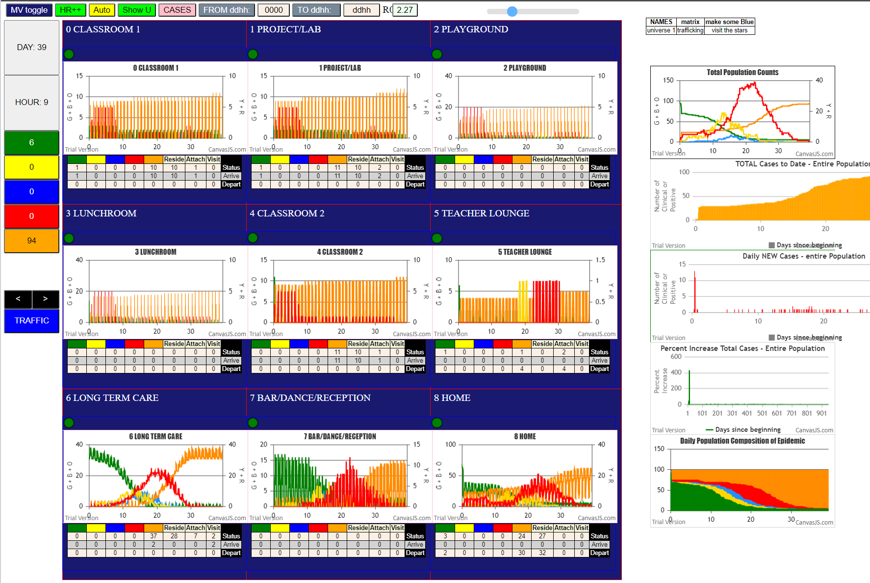
etAsText | File |  |  |  |  |  |  |  |  |  |  |  |  |  |  |  |  |  |  |  |  |  |  | Agent | F1 | Inf BY | F2 | Gen | @ | 1st 20 |  | Agent | F1 | Inf BY | F2 | Gen | @
simulation.js | 32 | File |  |  |  |  |  |  |  |  |  |  |  |  |  |  |  |  |  |  |  |  |  | 25 | F06 | 13 | F06 | 6 | U8 | u6 | 16 | 2 | F00 | 25 | F06 | 227 | U3
simulation.js | 2039 | 5I | j | famKey | 25 | F06 | infected | by | red | i | famKey | 13 | F06 | at | gen | 6 | in | Univ8 |  |  |  |  |  | 79 | -1 | 10 | F02 | 42 | U6 | u8 | 2 | 79 | -1 | 10 | F02 | 42 | U6
simulation.js | 1638 | 22 |  |  |  |  |  |  |  |  |  |  |  |  |  |  |  |  |  |  |  |  |  | 49 | F02 | 10 | F02 | 54 | U8 | u3 | 1 | 69 | F14 | 12 | F04 | 64 | U6
simulation.js | 1639 | Array(22) |  |  |  |  |  |  |  |  |  |  |  |  |  |  |  |  |  |  |  |  |  | 69 | F14 | 12 | F04 | 64 | U6 | u7 | 1 | 91 | F01 | 12 | F04 | 91 | U6
simulation.js | 1649 | Array(4) |  |  |  |  |  |  |  |  |  |  |  |  |  |  |  |  |  |  |  |  |  | 91 | F01 | 12 | F04 | 91 | U6 |  |  | 86 | -1 | 10 | F02 | 114 | U6
simulation.js | 1654 | Vaccination | list | = | 13 |  |  |  |  |  |  |  |  |  |  |  |  |  |  |  |  |  |  | 86 | -1 | 10 | F02 | 114 | U6 |  |  | 74 | -1 | 12 | F04 | 139 | U6
simulation.js | 1670 | vaccinated | 31,15,5,17,8,4,7,19,18,0,9,6,33 |  |  |  |  |  |  |  |  |  |  |  |  |  |  |  |  |  |  |  |  | 74 | -1 | 12 | F04 | 139 | U6 | U6 | 49 | 83 | -1 | 12 | F04 | 139 | U6
simulation.js | 1638 | 22 |  |  |  |  |  |  |  |  |  |  |  |  |  |  |  |  |  |  |  |  |  | 83 | -1 | 12 | F04 | 139 | U6 | u7 | 9 | 96 | F09 | 79 | -1 | 178 | U6
simulation.js | 1639 | (22) [0, | 1, | 2, | 3, | 4, | 5, | 6, | 7, | 8, | 9, | 20, | 21, | 22, | 23, | 24, | 25, | 26, | 27, | 28, | 29, | 30, | 35] | 96 | F09 | 79 | -1 | 178 | U6 | u8 | 6 | 62 | F01 | 69 | F14 | 179 | U6
simulation.js | 1649 | (14) [1, | 2, | 3, | 20, | 21, | 22, | 23, | 24, | 26, | 27, | 28, | 29, | 30, | 35] |  |  |  |  |  |  |  |  | 62 | F01 | 69 | F14 | 179 | U6 | u3 | 1 | 82 | -1 | 69 | F14 | 183 | U6
simulation.js | 1654 | Vaccination | list | = | 10 |  |  |  |  |  |  |  |  |  |  |  |  |  |  |  |  |  |  | 82 | -1 | 69 | F14 | 183 | U6 |  |  | 75 | -1 | 79 | -1 | 206 | U6
simulation.js | 1670 | vaccinated | 26,28,21,23,29,20,3,35,27,22 |  |  |  |  |  |  |  |  |  |  |  |  |  |  |  |  |  |  |  |  | 75 | -1 | 79 | -1 | 206 | U6 |  |  | 88 | -1 | 79 | -1 | 210 | U6
simulation.js | 1638 | 12 |  |  |  |  |  |  |  |  |  |  |  |  |  |  |  |  |  |  |  |  |  | 88 | -1 | 79 | -1 | 210 | U6 |  |  | 76 | -1 | 91 | F01 | 211 | U6
simulation.js | 1639 | (12) [10, | 11, | 12, | 13, | 14, | 15, | 16, | 17, | 18, | 19, | 32, | 34] |  |  |  |  |  |  |  |  |  |  | 76 | -1 | 91 | F01 | 211 | U6 |  |  | 72 | -1 | 86 | -1 | 219 | U6
simulation.js | 1649 | (3) [16, | 32, | 34] |  |  |  |  |  |  |  |  |  |  |  |  |  |  |  |  |  |  |  | 72 | -1 | 86 | -1 | 219 | U6 |  |  | 81 | -1 | 79 | -1 | 223 | U6
simulation.js | 1654 | Vaccination | list | = | 1 |  |  |  |  |  |  |  |  |  |  |  |  |  |  |  |  |  |  | 81 | -1 | 79 | -1 | 223 | U6 |  |  | 71 | F18 | 91 | F01 | 235 | U6
simulation.js | 1670 | vaccinated | 32 |  |  |  |  |  |  |  |  |  |  |  |  |  |  |  |  |  |  |  |  | 2 | F00 | 25 | F06 | 227 | U3 |  |  | 73 | -1 | 86 | -1 | 253 | U6
simulation.js | 2055 | 30I | i | famKey | 79 | -1 | infected | by | red | j | famKey | 10 | F02 | at | gen | 42 | in | U6 |  |  |  |  |  | 71 | F18 | 91 | F01 | 235 | U6 |  |  | 67 | F13 | 86 | -1 | 256 | U6
simulation.js | 2039 | 31I | j | famKey | 49 | F02 | infected | by | red | i | famKey | 10 | F02 | at | gen | 54 | in | Univ8 |  |  |  |  |  | 73 | -1 | 86 | -1 | 253 | U6 |  |  | 60 | F16 | 79 | -1 | 267 | U6
simulation.js | 2055 | 32I | i | famKey | 69 | F14 | infected | by | red | j | famKey | 12 | F04 | at | gen | 64 | in | U6 |  |  |  |  |  | 59 | F15 | 91 | F01 | 255 | U7 |  |  | 53 | F08 | 49 | F02 | 272 | U6
simulation.js | 2039 | 33I | j | famKey | 91 | F01 | infected | by | red | i | famKey | 12 | F04 | at | gen | 91 | in | Univ6 |  |  |  |  |  | 67 | F13 | 86 | -1 | 256 | U6 |  |  | 95 | F08 | 49 | F02 | 273 | U6
simulation.js | 2055 | 34I | i | famKey | 86 | -1 | infected | by | red | j | famKey | 10 | F02 | at | gen | 114 | in | U6 |  |  |  |  |  | 97 | F10 | 49 | F02 | 258 | U7 |  |  | 63 | F02 | 96 | F09 | 274 | U6
simulation.js | 2055 | 35I | i | famKey | 74 | -1 | infected | by | red | j | famKey | 12 | F04 | at | gen | 139 | in | U6 |  |  |  |  |  | 60 | F16 | 79 | -1 | 267 | U6 |  |  | 84 | -1 | 86 | -1 | 276 | U6
simulation.js | 2055 | 35I | i | famKey | 83 | -1 | infected | by | red | j | famKey | 12 | F04 | at | gen | 139 | in | U6 |  |  |  |  |  | 41 | F02 | 49 | F02 | 267 | U8 |  |  | 80 | -1 | 76 | -1 | 293 | U6
simulation.js | 2039 | 37I | j | famKey | 96 | F09 | infected | by | red | i | famKey | 79 | -1 | at | gen | 178 | in | Univ6 |  |  |  |  |  | 53 | F08 | 49 | F02 | 272 | U6 |  |  | 80 | -1 | 79 | -1 | 293 | U6
simulation.js | 2055 | 37I | i | famKey | 62 | F01 | infected | by | blue | j | famKey | 69 | F14 | at | gen | 179 | in | U6 |  |  |  |  |  | 95 | F08 | 49 | F02 | 273 | U6 |  |  | 40 | F14 | 81 | -1 | 297 | U6
simulation.js | 2039 | 39I | j | famKey | 82 | -1 | infected | by | blue | i | famKey | 69 | F14 | at | gen | 183 | in | Univ6 |  |  |  |  |  | 63 | F02 | 96 | F09 | 274 | U6 |  |  | 87 | -1 | 72 | -1 | 299 | U6
simulation.js | 2055 | 40I | i | famKey | 75 | -1 | infected | by | red | j | famKey | 79 | -1 | at | gen | 206 | in | U6 |  |  |  |  |  | 84 | -1 | 86 | -1 | 276 | U6 |  |  | 89 | -1 | 79 | -1 | 303 | U6
simulation.js | 2039 | 41I | j | famKey | 88 | -1 | infected | by | red | i | famKey | 79 | -1 | at | gen | 210 | in | Univ6 |  |  |  |  |  | 94 | F07 | 91 | F01 | 286 | U7 |  |  | 78 | -1 | 75 | -1 | 304 | U6
simulation.js | 2055 | 41I | i | famKey | 76 | -1 | infected | by | red | j | famKey | 91 | F01 | at | gen | 211 | in | U6 |  |  |  |  |  | 80 | -1 | 76 | -1 | 293 | U6 |  |  | 55 | F11 | 91 | F01 | 307 | U6
simulation.js | 2055 | 43I | i | famKey | 72 | -1 | infected | by | blue | j | famKey | 86 | -1 | at | gen | 219 | in | U6 |  |  |  |  |  | 80 | -1 | 79 | -1 | 293 | U6 |  |  | 57 | F13 | 83 | -1 | 308 | U6
simulation.js | 2039 | 44I | j | famKey | 81 | -1 | infected | by | red | i | famKey | 79 | -1 | at | gen | 223 | in | Univ6 |  |  |  |  |  | 40 | F14 | 81 | -1 | 297 | U6 |  |  | 54 | F09 | 62 | F01 | 320 | U6
simulation.js | 2055 | 45I | i | famKey | 2 | F00 | infected | by | red | j | famKey | 25 | F06 | at | gen | 227 | in | U3 |  |  |  |  |  | 87 | -1 | 72 | -1 | 299 | U6 |  |  | 50 | F03 | 81 | -1 | 324 | U6
simulation.js | 2055 | 46I | i | famKey | 71 | F18 | infected | by | red | j | famKey | 91 | F01 | at | gen | 235 | in | U6 |  |  |  |  |  | 58 | F14 | 91 | F01 | 301 | U7 |  |  | 70 | F15 | 49 | F02 | 326 | U6
simulation.js | 2055 | 47I | i | famKey | 73 | -1 | infected | by | red | j | famKey | 86 | -1 | at | gen | 253 | in | U6 |  |  |  |  |  | 89 | -1 | 79 | -1 | 303 | U6 |  |  | 85 | -1 | 79 | -1 | 331 | U6
simulation.js | 2039 | 48I | j | famKey | 59 | F15 | infected | by | red | i | famKey | 91 | F01 | at | gen | 255 | in | Univ7 |  |  |  |  |  | 78 | -1 | 75 | -1 | 304 | U6 |  |  | 61 | F17 | 67 | F13 | 341 | U6
simulation.js | 2039 | 48I | j | famKey | 67 | F13 | infected | by | red | i | famKey | 86 | -1 | at | gen | 256 | in | Univ6 |  |  |  |  |  | 55 | F11 | 91 | F01 | 307 | U6 |  |  | 66 | F06 | 76 | -1 | 350 | U6
simulation.js | 2039 | 50I | j | famKey | 97 | F10 | infected | by | red | i | famKey | 49 | F02 | at | gen | 258 | in | Univ7 |  |  |  |  |  | 57 | F13 | 83 | -1 | 308 | U6 |  |  | 65 | F03 | 81 | -1 | 361 | U6
simulation.js | 2039 | 51I | j | famKey | 60 | F16 | infected | by | red | i | famKey | 79 | -1 | at | gen | 267 | in | Univ6 |  |  |  |  |  | 54 | F09 | 62 | F01 | 320 | U6 |  |  | 48 | F00 | 63 | F02 | 367 | U6
simulation.js | 2055 | 51I | i | famKey | 41 | F02 | infected | by | red | j | famKey | 49 | F02 | at | gen | 267 | in | U8 |  |  |  |  |  | 43 | F04 | 91 | F01 | 323 | U7 |  |  | 52 | F07 | 87 | -1 | 373 | U6
simulation.js | 2039 | 53I | j | famKey | 53 | F08 | infected | by | red | i | famKey | 49 | F02 | at | gen | 272 | in | Univ6 |  |  |  |  |  | 50 | F03 | 81 | -1 | 324 | U6 |  |  | 36 | F10 | 86 | -1 | 375 | U6
simulation.js | 2039 | 53I | j | famKey | 95 | F08 | infected | by | red | i | famKey | 49 | F02 | at | gen | 273 | in | Univ6 |  |  |  |  |  | 70 | F15 | 49 | F02 | 326 | U6 |  |  | 56 | F12 | 67 | F13 | 379 | U6
simulation.js | 2055 | 54I | i | famKey | 63 | F02 | infected | by | blue | j | famKey | 96 | F09 | at | gen | 274 | in | U6 |  |  |  |  |  | 85 | -1 | 79 | -1 | 331 | U6 |  |  | 68 | F14 | 74 | -1 | 382 | U6
simulation.js | 2055 | 56I | i | famKey | 84 | -1 | infected | by | red | j | famKey | 86 | -1 | at | gen | 276 | in | U6 |  |  |  |  |  | 61 | F17 | 67 | F13 | 341 | U6 |  |  | 64 | F03 | 82 | -1 | 395 | U6
simulation.js | 2055 | 57I | i | famKey | 94 | F07 | infected | by | red | j | famKey | 91 | F01 | at | gen | 286 | in | U7 |  |  |  |  |  | 66 | F06 | 76 | -1 | 350 | U6 |  |  | 51 | F06 | 73 | -1 | 395 | U6
simulation.js | 2039 | 58I | j | famKey | 80 | -1 | infected | by | blue | i | famKey | 76 | -1 | at | gen | 293 | in | Univ6 |  |  |  |  |  | 65 | F03 | 81 | -1 | 361 | U6 |  |  | 47 | F15 | 72 | -1 | 400 | U6
simulation.js | 2039 | 58I | j | famKey | 80 | -1 | infected | by | red | i | famKey | 79 | -1 | at | gen | 293 | in | Univ6 |  |  |  |  |  | 48 | F00 | 63 | F02 | 367 | U6 |  |  | 77 | -1 | 82 | -1 | 402 | U6
simulation.js | 2039 | 59I | j | famKey | 40 | F14 | infected | by | blue | i | famKey | 81 | -1 | at | gen | 297 | in | Univ6 |  |  |  |  |  | 52 | F07 | 87 | -1 | 373 | U6 |  |  | 99 | F17 | 83 | -1 | 421 | U6
simulation.js | 2039 | 60I | j | famKey | 87 | -1 | infected | by | blue | i | famKey | 72 | -1 | at | gen | 299 | in | Univ6 |  |  |  |  |  | 36 | F10 | 86 | -1 | 375 | U6 |  |  | 46 | F10 | 76 | -1 | 446 | U6
simulation.js | 2039 | 61I | j | famKey | 58 | F14 | infected | by | red | i | famKey | 91 | F01 | at | gen | 301 | in | Univ7 |  |  |  |  |  | 56 | F12 | 67 | F13 | 379 | U6 |  |  | 37 | F11 | 89 | -1 | 494 | U6
simulation.js | 2039 | 62I | j | famKey | 89 | -1 | infected | by | red | i | famKey | 79 | -1 | at | gen | 303 | in | Univ6 |  |  |  |  |  | 68 | F14 | 74 | -1 | 382 | U6 |  |  | 59 | F15 | 91 | F01 | 255 | U7
simulation.js | 2039 | 62I | j | famKey | 78 | -1 | infected | by | blue | i | famKey | 75 | -1 | at | gen | 304 | in | Univ6 |  |  |  |  |  | 64 | F03 | 82 | -1 | 395 | U6 |  |  | 97 | F10 | 49 | F02 | 258 | U7
simulation.js | 2055 | 64I | i | famKey | 55 | F11 | infected | by | red | j | famKey | 91 | F01 | at | gen | 307 | in | U6 |  |  |  |  |  | 51 | F06 | 73 | -1 | 395 | U6 |  |  | 94 | F07 | 91 | F01 | 286 | U7
simulation.js | 2039 | 64I | j | famKey | 57 | F13 | infected | by | red | i | famKey | 83 | -1 | at | gen | 308 | in | Univ6 |  |  |  |  |  | 47 | F15 | 72 | -1 | 400 | U6 |  |  | 58 | F14 | 91 | F01 | 301 | U7
simulation.js | 2039 | 66I | j | famKey | 54 | F09 | infected | by | red | i | famKey | 62 | F01 | at | gen | 320 | in | Univ6 |  |  |  |  |  | 77 | -1 | 82 | -1 | 402 | U6 |  |  | 43 | F04 | 91 | F01 | 323 | U7
simulation.js | 2039 | 67I | j | famKey | 43 | F04 | infected | by | red | i | famKey | 91 | F01 | at | gen | 323 | in | Univ7 |  |  |  |  |  | 99 | F17 | 83 | -1 | 421 | U6 |  |  | 39 | F13 | 96 | F09 | 426 | U7
simulation.js | 2039 | 67I | j | famKey | 50 | F03 | infected | by | blue | i | famKey | 81 | -1 | at | gen | 324 | in | Univ6 |  |  |  |  |  | 39 | F13 | 96 | F09 | 426 | U7 |  |  | 30 | F01 | 97 | F10 | 429 | U7
simulation.js | 2055 | 69I | i | famKey | 70 | F15 | infected | by | red | j | famKey | 49 | F02 | at | gen | 326 | in | U6 |  |  |  |  |  | 30 | F01 | 97 | F10 | 429 | U7 |  |  | 98 | F16 | 95 | F08 | 451 | U7
simulation.js | 2039 | 70I | j | famKey | 85 | -1 | infected | by | red | i | famKey | 79 | -1 | at | gen | 331 | in | Univ6 |  |  |  |  |  | 46 | F10 | 76 | -1 | 446 | U6 |  |  | 90 | F00 | 56 | F12 | 516 | U7
simulation.js | 2039 | 71I | j | famKey | 61 | F17 | infected | by | blue | i | famKey | 67 | F13 | at | gen | 341 | in | Univ6 |  |  |  |  |  | 98 | F16 | 95 | F08 | 451 | U7 |  |  | 25 | F06 | 13 | F06 | 6 | U8
simulation.js | 2039 | 72I | j | famKey | 66 | F06 | infected | by | red | i | famKey | 76 | -1 | at | gen | 350 | in | Univ6 |  |  |  |  |  | 37 | F11 | 89 | -1 | 494 | U6 |  |  | 49 | F02 | 10 | F02 | 54 | U8
simulation.js | 2039 | 73I | j | famKey | 65 | F03 | infected | by | red | i | famKey | 81 | -1 | at | gen | 361 | in | Univ6 |  |  |  |  |  | 42 | F04 | 43 | F04 | 499 | U8 |  |  | 41 | F02 | 49 | F02 | 267 | U8
simulation.js | 2039 | 74I | j | famKey | 48 | F00 | infected | by | blue | i | famKey | 63 | F02 | at | gen | 367 | in | Univ6 |  |  |  |  |  | 44 | F06 | 51 | F06 | 500 | U8 |  |  | 42 | F04 | 43 | F04 | 499 | U8
simulation.js | 2039 | 75I | j | famKey | 52 | F07 | infected | by | blue | i | famKey | 87 | -1 | at | gen | 373 | in | Univ6 |  |  |  |  |  | 90 | F00 | 56 | F12 | 516 | U7 |  |  | 44 | F06 | 51 | F06 | 500 | U8
simulation.js | 2039 | 76I | j | famKey | 36 | F10 | infected | by | red | i | famKey | 86 | -1 | at | gen | 375 | in | Univ6 |  |  |  |  |  | 16 | F16 | 98 | F16 | 554 | U8 |  |  | 16 | F16 | 98 | F16 | 554 | U8
simulation.js | 2039 | 77I | j | famKey | 56 | F12 | infected | by | red | i | famKey | 67 | F13 | at | gen | 379 | in | Univ6
2simulation.js | 2039 | 78I | j | famKey | 68 | F14 | infected | by | red | i | famKey | 74 | -1 | at | gen | 382 | in | Univ6
simulation.js | 2039 | 79I | j | famKey | 64 | F03 | infected | by | red | i | famKey | 82 | -1 | at | gen | 395 | in | Univ6
simulation.js | 2039 | 79I | j | famKey | 51 | F06 | infected | by | red | i | famKey | 73 | -1 | at | gen | 395 | in | Univ6
simulation.js | 2039 | 81I | j | famKey | 47 | F15 | infected | by | red | i | famKey | 72 | -1 | at | gen | 400 | in | Univ6
simulation.js | 2055 | 82I | i | famKey | 77 | -1 | infected | by | red | j | famKey | 82 | -1 | at | gen | 402 | in | U6
simulation.js | 2039 | 83I | j | famKey | 99 | F17 | infected | by | red | i | famKey | 83 | -1 | at | gen | 421 | in | Univ6
simulation.js | 2055 | 84I | i | famKey | 39 | F13 | infected | by | red | j | famKey | 96 | F09 | at | gen | 426 | in | U7
simulation.js | 2039 | 85I | j | famKey | 30 | F01 | infected | by | red | i | famKey | 97 | F10 | at | gen | 429 | in | Univ7
simulation.js | 2039 | 86I | j | famKey | 46 | F10 | infected | by | red | i | famKey | 76 | -1 | at | gen | 446 | in | Univ6
simulation.js | 2039 | 87I | j | famKey | 98 | F16 | infected | by | red | i | famKey | 95 | F08 | at | gen | 451 | in | Univ7
2simulation.js | 2039 | 88I | j | famKey | 37 | F11 | infected | by | red | i | famKey | 89 | -1 | at | gen | 494 | in | Univ6
simulation.js | 2055 | 89I | i | famKey | 42 | F04 | infected | by | red | j | famKey | 43 | F04 | at | gen | 499 | in | U8
simulation.js | 2055 | 89I | i | famKey | 44 | F06 | infected | by | blue | j | famKey | 51 | F06 | at | gen | 500 | in | U8
simulation.js | 2055 | 91I | i | famKey | 90 | F00 | infected | by | red | j | famKey | 56 | F12 | at | gen | 516 | in | U7
simulation.js | 2055 | 92I | i | famKey | 16 | F16 | infected | by | blue | j | famKey | 98 | F16 | at | gen | 554 | in | U8
simulation.js | 2039

Sheet8
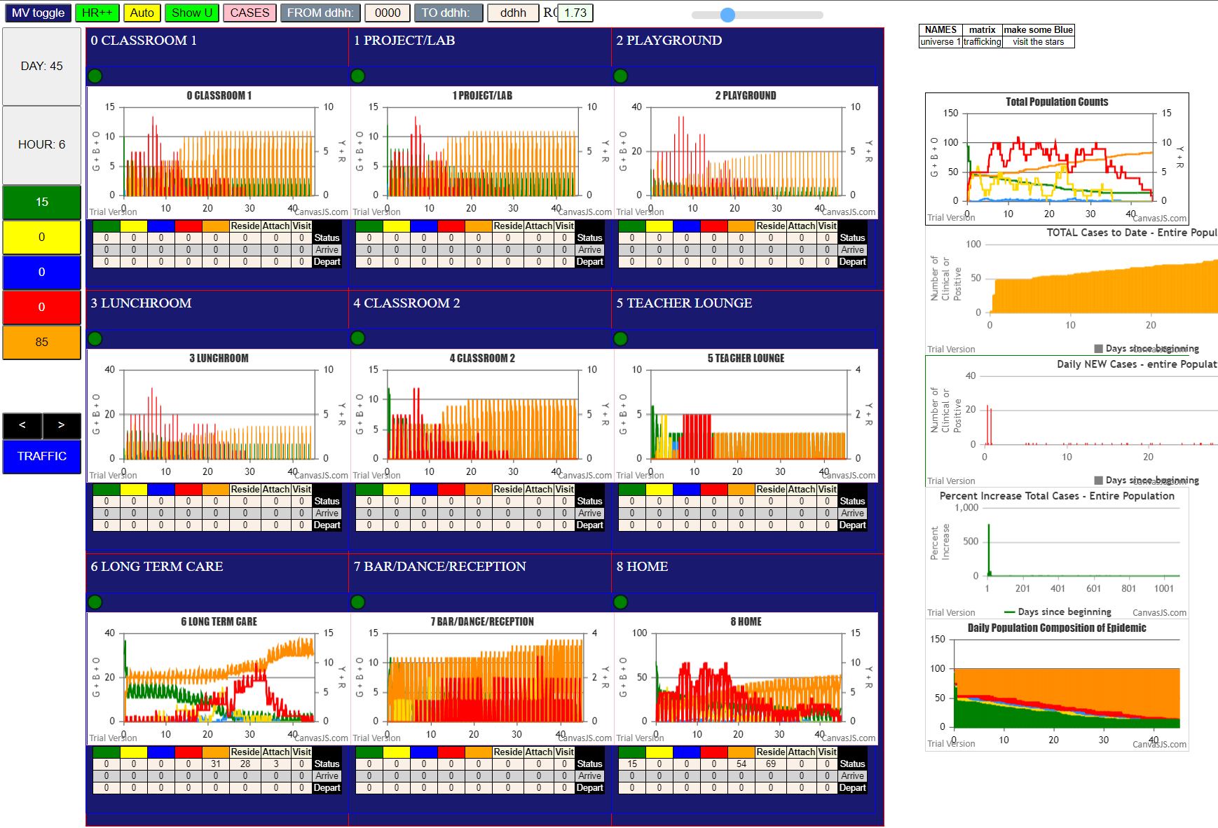
...
U6 and U8 at D0.8 and D0.16 or was it 18?
simulation.js | 2039 | 80I | j | famKey | 50 | F03 | infected | by | red | i | famKey | 81 | -1 | at | gen | 634 | in | Univ6
simulation.js | 2039 | 81I | j | famKey | 51 | F06 | infected | by | red | i | famKey | 89 | -1 | at | gen | 703 | in | Univ6
simulation.js | 2039 | 82I | j | famKey | 59 | F15 | infected | by | red | i | famKey | 66 | F06 | at | gen | 726 | in | Univ6
2simulation.js | 2039 | 83I | j | famKey | 38 | F12 | infected | by | red | i | famKey | 50 | F03 | at | gen | 780 | in | Univ6
simulation.js | 2039 | 84I | j | famKey | 57 | F13 | infected | by | red | i | famKey | 66 | F06 | at | gen | 788

